Exportar_resultados_AP
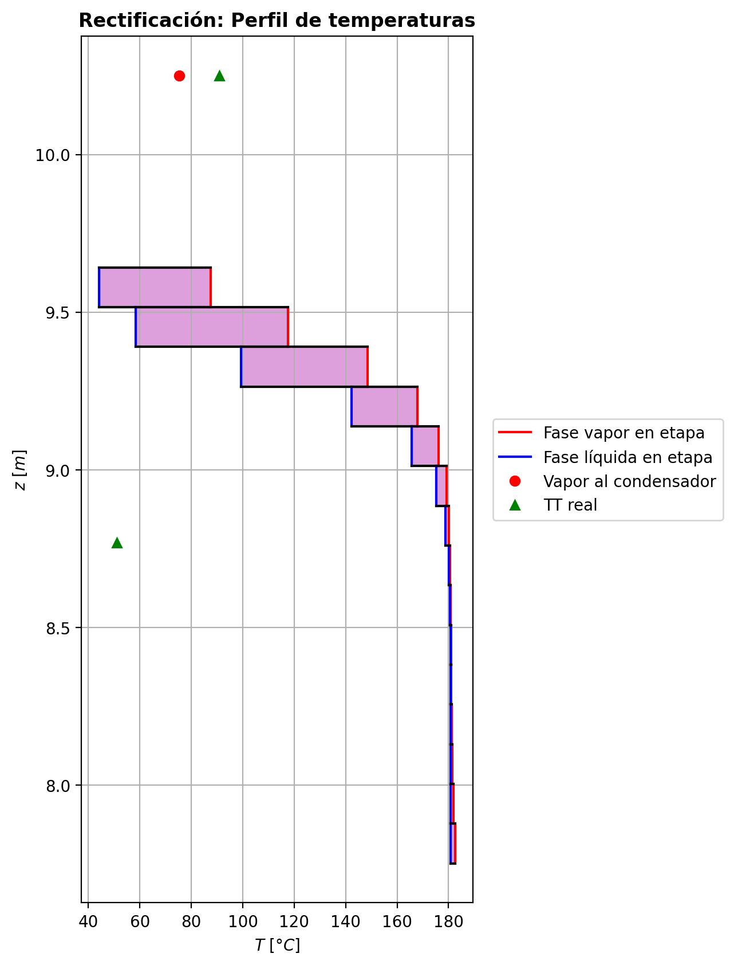
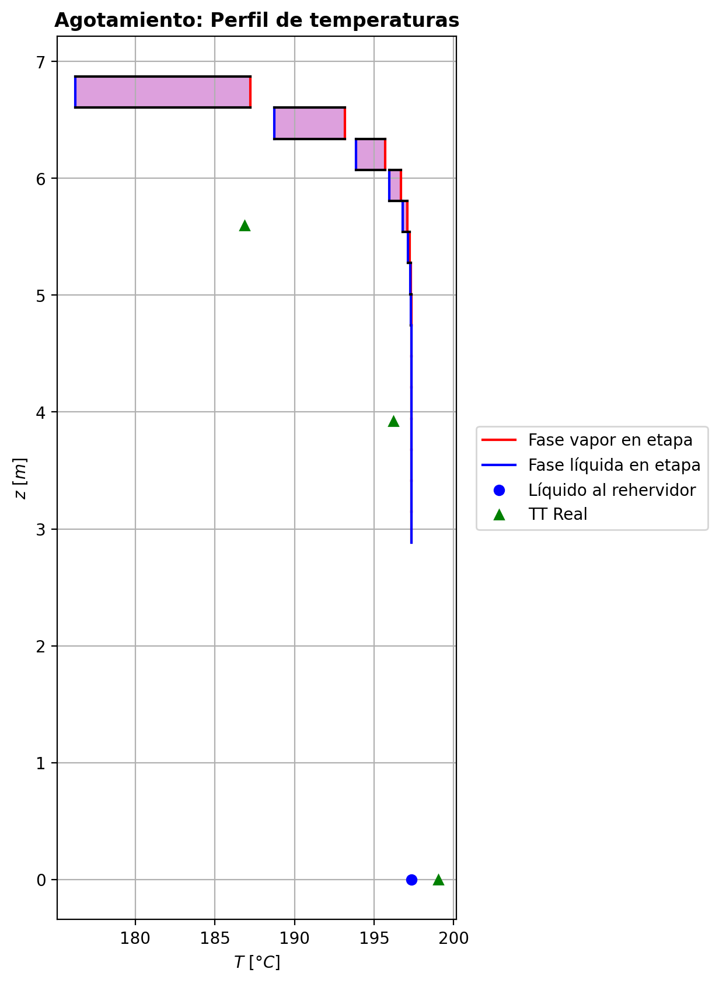
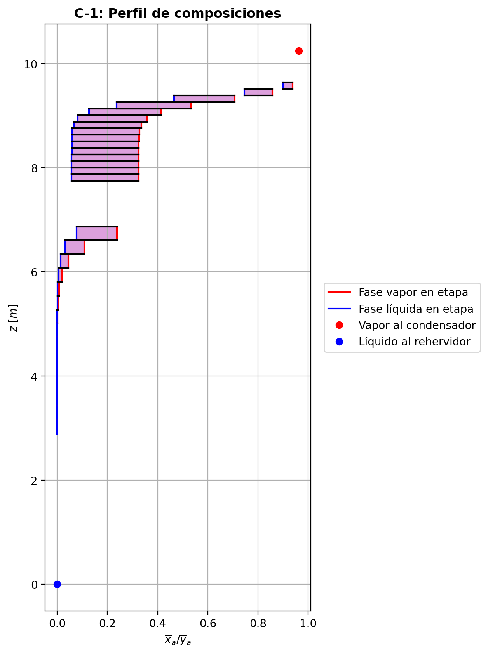
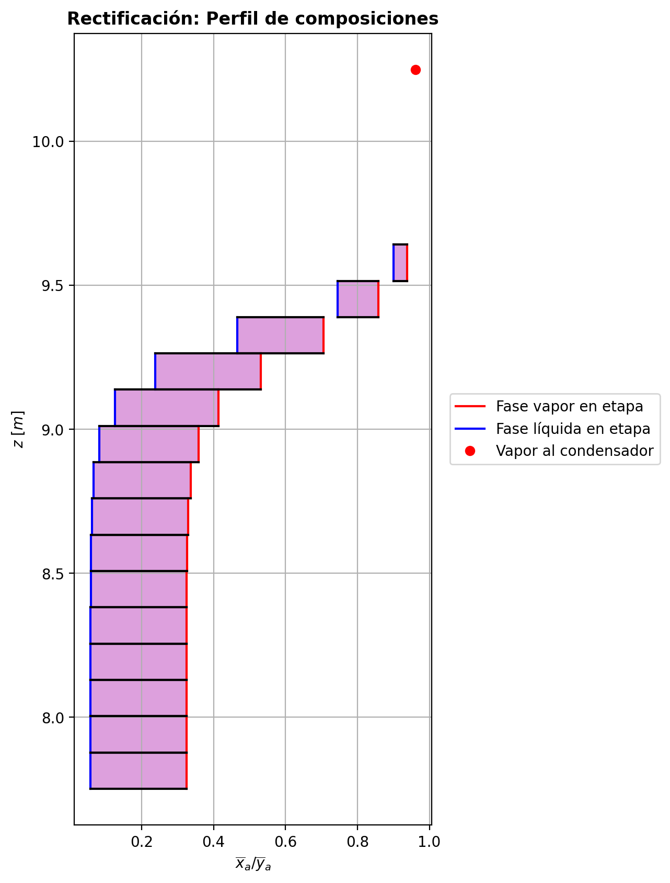
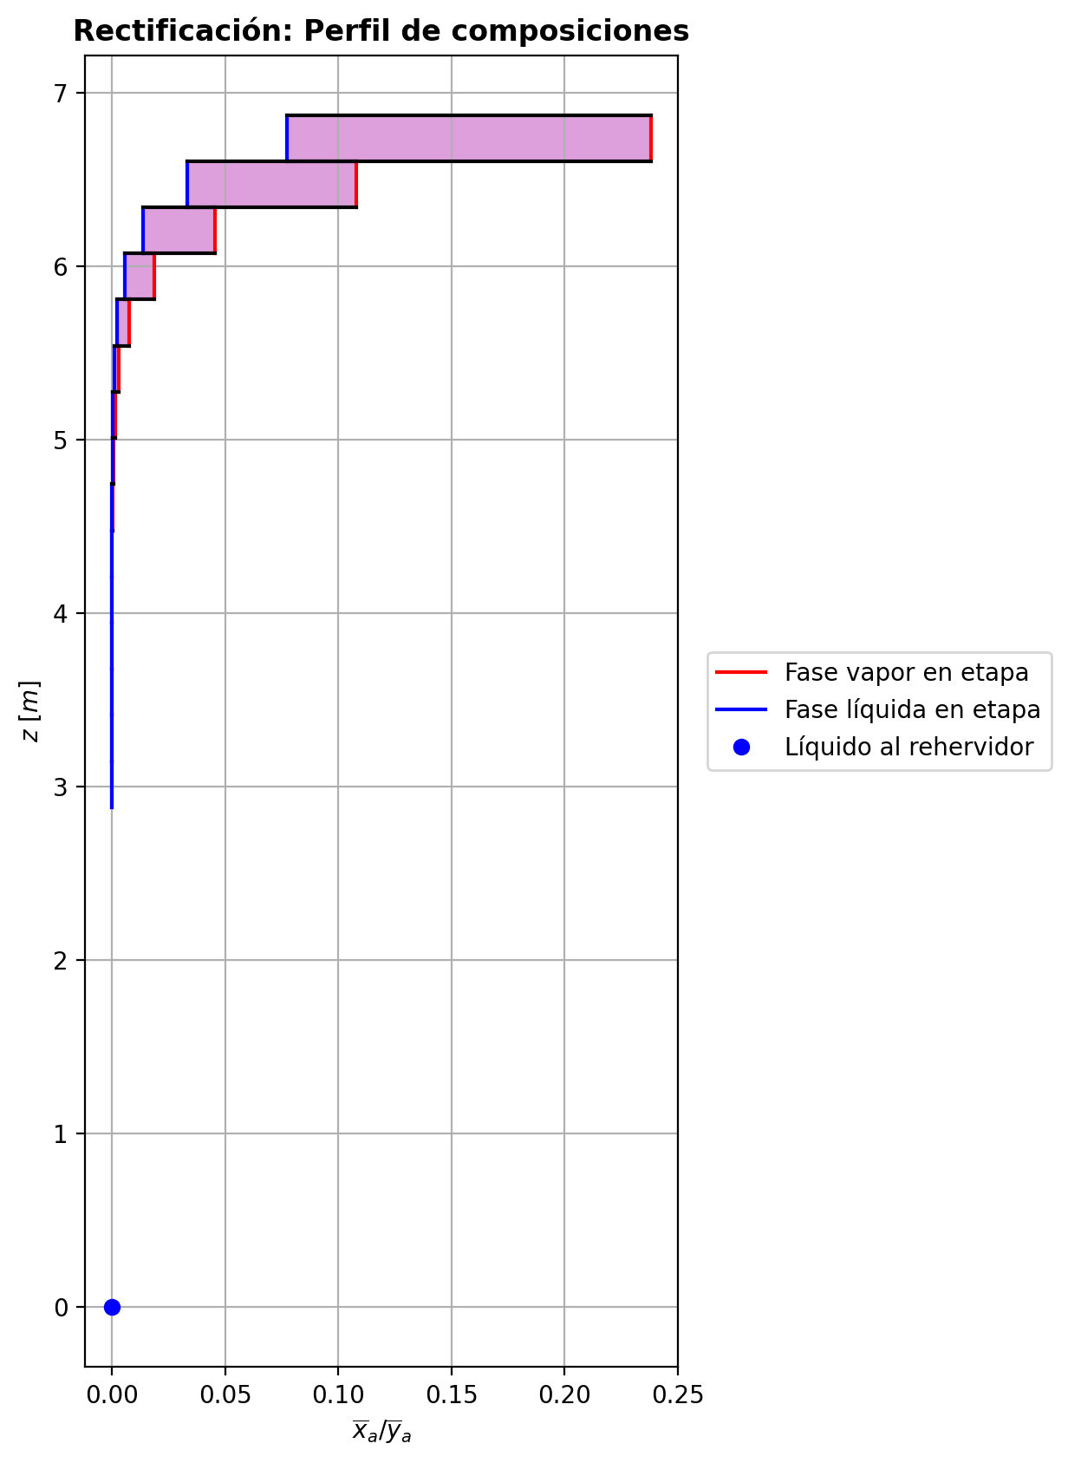
$${\left[N_{t}=N_{a}+N_{w} \right]}_{2}$$
$${\left[N_{t}=N_{a}+N_{w} \right]}_{ps1+ps2−3}$$
$$F_{fría}^{l}+F_{caliente}^{l}=P_{fría}^{l}+P_{caliente}^{l}$$
$${\left[J_{a}^{g}=Γ^{g,b}ρ^{g,b}k_{bm}^{g}a_{ef}A_{tr}Z\left(y_{a}^{b}−y_{a}^{I}\right)\right]}_{2}$$
$${\left(N_{t}\right)}_{2}=V_{3}−V_{2}=L_{2}−{\left(L_{1}−P^{l}\right)}_{E−3}$$
$${\left[J_{a}^{g}=Γ^{g,b}ρ^{g,b}k_{bm}^{g}a_{ef}A_{tr}Z\left(y_{a}^{b}−y_{a}^{I}\right)\right]}_{s}$$
$${\left[N_{t}=N_{a}+N_{w} \right]}_{s}$$
$${\left[J_{a}^{g}=Γ^{g,b}ρ^{g,b}k_{bm}^{g}a_{ef}A_{tr}Z\left(y_{a}^{b}−y_{a}^{I}\right)\right]}_{ps1+ps2−3}$$
Caso | 36 |  |  | Economizador E-1 |  |  |  |  |  |  |  |  | Condensador E-3 (s=1) |  |  |  |  |  |  |  |  | s=2 |  |  |  |  |  |  |  |  |  |  |  |  |  |  | s={3,…,ps1+ps2-4} |  |  |  |  |  |  |  |  |  |  |  |  |  |  |  | s=ps1+ps2-3 |  |  |  |  |  |  |  |  |  |  |  |  |  |  |  |  | Rehervidor E-2 (s=ps1+ps2-2)
ps1 | 17 |  | Representación y balances |  |  |  |  |  |  |  |  |  |  |  |  |  |  |  |  |  |  | Atr [m2] | 0.15904312809 |  |  |  |  |  |  |  |  |  |  |  |  |  | s |  | Atr [m2] | 0.15904312809 |  |  |  |  |  |  |  |  |  |  |  |  | Atr [m2] | 0.15904312809
ps2 | 17 |  |  | Pl [kmol/h]= | 26.6091286 | Fl [kmol/h]= | 34.0032328 | Balance de Masa Total [kmol/h] |  |  |  |  | V2 [kmol/h]= | 37.2123959 |  |  | Balance de Masa Total [kmol/h] |  |  |  |  |  | V2 [kmol/h]= | 37.2123959 |  |  | L1-Pl en E-3 [kmol/h]= | 29.81829193 |  | Balance de Masa Total [kmol/h] |  |  |  |  |  |  |  |  | Vs [kmol/h]= | #VALUE! |  |  | Ls-1 [kmol/h]= | #VALUE! |  | Balance de Masa Total [kmol/h] |  |  |  |  |  |  |  |  | Vps1+ps2-3 [kmol/h]= | 28.978564 |  |  | Lps1+ps2-4 [kmol/h]= | 55.5876928 |  | Balance de Masa Total [kmol/h] |  |  |  |  |  |  |  | Lps1+ps2-3 [kmol/h]= | 55.5877766 | Vps1+ps2-2 [kmol/h]= | 1.24262782E-09 |  |  | Balance de Masa Total [kmol/h]
$$V_{2}=L_{1}$$
$${\left[J_{a}^{l}=Γ^{l,b}ρ^{l,b}k_{bm}^{l}a_{ef}A_{tr}Z\left(x_{a}^{I}−x_{a}^{b}\right)\right]}_{2}$$
$${\left[J_{a}^{l}=Γ^{l,b}ρ^{l,b}k_{bm}^{l}a_{ef}A_{tr}Z\left(x_{a}^{I}−x_{a}^{b}\right)\right]}_{s}$$
$${\left(N_{t}\right)}_{s}=V_{s+1}−V_{s}=L_{s}−L_{s−1}−F_{s}^{l}$$
$${\left[J_{a}^{l}=Γ^{l,b}ρ^{l,b}k_{bm}^{l}a_{ef}A_{tr}Z\left(x_{a}^{I}−x_{a}^{b}\right)\right]}_{ps1+ps2−3}$$
$${\left(N_{t}\right)}_{ps1+ps2−3}=V_{ps1+ps2−2}−V_{ps1+ps2−3}+F_{ps1+ps2−3}^{g}=L_{ps1+ps2−3}−L_{ps1+ps2−4}−F_{ps1+ps2−3}^{l}$$
$$L_{ps1+ps2−3}=P_{ps1+ps2−2}^{g}+P_{ps1+ps2−2}^{l}+V_{ps1+ps2−2}$$
flowmode1 | VPLUG |  |  | T [°C]= | 61.287372 | T [°C]= | 20 |  |  |  |  |  | T [°C]= | 75.1995367 |  |  |  |  |  |  |  |  | T [°C]= | 75.1995367 |  |  | T [°C]= | 39.6754737 |  |  |  |  |  |  |  |  |  |  | T [°C]= | #VALUE! |  |  | T [°C]= | #VALUE! |  |  |  |  |  |  |  |  |  |  | T [°C]= | 197.358043 |  |  | T [°C]= | 197.357292 |  |  |  |  |  |  |  |  |  | T [°C]= | 197.358091 | T [°C]= | 197.35809 | Pg [kmol/h]= | 28.9786478
$${\left[Q^{g}=k_{h}^{g}a_{ef}A_{tr}Z\left(T^{g,b}−T^{I}\right)\right]}_{2}$$
$${\left[Q^{g}=k_{h}^{g}a_{ef}A_{tr}Z\left(T^{g,b}−T^{I}\right)\right]}_{s}$$
$${\left[Q^{g}=k_{h}^{g}a_{ef}A_{tr}Z\left(T^{g,b}−T^{I}\right)\right]}_{ps1+ps2−3}$$
$${f_{v}\left(L−P^{l}\right)}_{ps1+ps2−2}=P_{ps1+ps2−2}^{g}$$
flowmode2 | VPLUG |  |  | P [bar]= | 14.7039073 | P [bar]= | 18.6326 |  | 60.6123614 | = | 60.6123614 |  | P [bar]= | 14.7038403 |  |  |  | 37.2123959 | = | 37.2123959 |  |  | P [bar]= | 14.7038403 |  |  | P [bar]= | 14.7038403 |  |  | -3.81624625 | = | -3.8162462 | = | -3.81624623 |  |  |  | P [bar]= | #VALUE! |  |  | P [bar]= | #VALUE! |  |  | #VALUE! | = |  | = | #VALUE! |  |  |  | P [bar]= | 14.708404 |  |  | P [bar]= | 14.7081871 |  |  |  | 8.37915761E-05 | = | 8.3801242631E-05 | = | 8.3799999999E-05 |  | P [bar]= | 14.708404 | P [bar]= | 14.708621 | T [°C]= | 197.358852
$${\left[Q^{l}=k_{h}^{l}a_{ef}A_{tr}Z\left(T^{I}−T^{l,b}\right)\right]}_{2}$$
$${\left[Q^{l}=k_{h}^{l}a_{ef}A_{tr}Z\left(T^{I}−T^{l,b}\right)\right]}_{s}$$
$${\left[Q^{l}=k_{h}^{l}a_{ef}A_{tr}Z\left(T^{I}−T^{l,b}\right)\right]}_{ps1+ps2−3}$$
simtype | 0 |  |  | xa molar= | 7.58606168E-08 | xa molar= | 0.209145562 |  |  |  |  |  | ya molar= | 0.961795914 |  |  |  |  |  |  |  | z top [m]= | ya molar= | 0.961795914 |  |  | xa molar= | 0.961795914 |  |  |  |  |  |  |  |  |  | z top [m]= | ya molar= | #VALUE! |  |  | xa molar= | #VALUE! |  |  |  |  |  |  |  |  |  | z top [m]= | ya molar= | 1.02860982E-06 |  |  | xa molar= | 6.48318482E-07 |  |  |  |  |  |  |  |  |  | xa molar= | 2.3428686E-07 | ya molar= | 1.47134089E-06 | P [bar]= | 14.708621 |  |  | 55.5877766 | = | 55.587776401
$${\left(N_{a}\right)}_{ps1+ps2−3}={\left(Vy_{a}\right)}_{ps1+ps2−2}−{\left(Vy_{a}\right)}_{ps1+ps2−3}+{\left(F^{g}y_{a}\right)}_{ps1+ps2−3}={\left(Lx_{a}\right)}_{ps1+ps2−3}−{\left(Lx_{a}\right)}_{ps1+ps2−4}−{\left(F^{l}x_{a}\right)}_{ps1+ps2−3}$$
pborde1 | - |  |  | h [kJ/kmol]= | -283076.54 | h [kJ/kmol]= | -243616.793 | Balance de Masa Amoníaco [kmol/h] |  |  |  |  | h [kJ/kmol]= | -52665.0601 |  |  | Balance de Masa Amoníaco [kmol/h] |  |  |  |  | 9.6416 | h [kJ/kmol]= | -52665.0601 |  |  | h [kJ/kmol]= | -74667.7093 |  | Balance de Masa Amoníaco [kmol/h] |  |  |  |  |  |  |  | #VALUE! | h [kJ/kmol]= | #VALUE! |  |  | h [kJ/kmol]= | #VALUE! |  | Balance de Masa Amoníaco [kmol/h] |  |  |  |  |  |  |  | 3.1466 | h [kJ/kmol]= | -237451.143 |  |  | h [kJ/kmol]= | -272580.88 |  | Balance de Masa Amoníaco [kmol/h] |  |  |  |  |  |  |  | h [kJ/kmol]= | -272580.902 | h [kJ/kmol]= | -237451.081 | ya molar= | 2.34399909E-07 |  |  | 28.978647944 | = | 28.9786478
$${\left(F^{l}x_{a,F}\right)}_{fría}+{\left(F^{l}x_{a,F}\right)}_{caliente}={\left(P^{l}x_{a,P}\right)}_{fría}+{\left(P^{l}x_{a,P}\right)}_{caliente}$$
$${\left(Vy_{a}\right)}_{2}={\left(Lx_{a}\right)}_{1}$$
$${\left(N_{a}\right)}_{2}={\left(Vy_{a}\right)}_{3}−{\left(Vy_{a}\right)}_{2}={\left(Lx_{a}\right)}_{2}−{\left[\left(L_{1}−P^{l}\right)x_{a}\right]}_{E−3}$$
$${\left(N_{a}\right)}_{s}={\left(Vy_{a}\right)}_{s+1}−{\left(Vy_{a}\right)}_{s}={\left(Lx_{a}\right)}_{s}−{\left(Lx_{a}\right)}_{s−1}−{\left(F^{l}x_{a}\right)}_{s}$$
nborde1 | - |  |  |  |  |  |  |  |  |  |  |  |  |  |  |  |  |  |  |  |  |  |  |  | TI [°C]= | 44.4897192 |  |  |  |  |  |  |  |  |  |  | NO APLICA |  |  |  | TI [°C]= | #VALUE! |  |  |  |  |  |  |  |  |  |  | NO APLICA |  |  |  | TI [°C]= | 197.358112 |  |  |  |  |  |  |  |  |  |  |  |  |  |  |  | h [kJ/kmol]= | -237451.28745
$${\left(N_{a}\right)}_{2}={\left(J_{a}^{g}\right)}_{2}+{\left(N_{t}y_{a}^{b}\right)}_{2}={\left(J_{a}^{l}\right)}_{2}+{\left(N_{t}x_{a}^{b}\right)}_{2}$$
$${\left(N_{a}\right)}_{s}={\left(J_{a}^{g}\right)}_{s}+{\left(N_{t}y_{a}^{b}\right)}_{s}={\left(J_{a}^{l}\right)}_{s}+{\left(N_{t}x_{a}^{b}\right)}_{s}$$
$${\left(N_{a}\right)}_{ps1+ps2−3}={\left(J_{a}^{g}\right)}_{ps1+ps2−3}+{\left(N_{t}y_{a}^{b}\right)}_{ps1+ps2−3}={\left(J_{a}^{l}\right)}_{ps1+ps2−3}+{\left(N_{t}x_{a}^{b}\right)}_{ps1+ps2−3}$$
pborde2 | - |  |  |  |  |  |  |  | 7.1116272524 | = | 7.1116272524 |  |  |  |  |  |  | 35.790730327 | = | 35.790730327 |  |  | V2b [kmol/h]= | 35.3042728 | yaI molar= | 0.999626109 | L2b [kmol/h]= | 26.0020457 |  |  |  |  |  |  |  |  | Fl Alimentación [kmol/h]= | #VALUE! | Vsb [kmol/h]= | #VALUE! | yaI molar= | #VALUE! | Lsb [kmol/h]= | #VALUE! |  |  |  |  |  |  |  |  | Fl Alimentación [kmol/h]= | - | Vps1+ps2-3b [kmol/h]= | 19.3190706 | yaI molar= | 1.22757909E-06 | Lps1+ps2-3b [kmol/h]= | 55.5877766 |  |  |  |  |  |  |  |  |  |  |  |  |  |  |  | Balance de Masa Amoníaco [kmol/h]
$${\left(Lx_{a}\right)}_{ps1+ps2−3}={\left(P^{g}y_{a}\right)}_{ps1+ps2−2}+{\left(P^{l}y_{a}\right)}_{ps1+ps2−2}+{\left(Vy_{a}\right)}_{ps1+ps2−2}$$
nborde2 | - |  |  | Q̇ [kJ/h]= |  |  |  |  |  |  |  |  | Q̇ [kJ/h]= |  |  |  |  |  |  |  |  |  | Tg,b [°C]= | 87.52579055 | xaI molar= | 0.868117852 | Tl,b [°C]= | 44.2242975 |  |  | -5.2795607 | = | -5.2795606528 | = | -5.2795606789 |  | T [°C]= | #VALUE! | Tg,b [°C]= | #VALUE! | xaI molar= | #VALUE! | Tl,b [°C]= | #VALUE! |  |  | #VALUE! | = |  | = | #VALUE! |  | T [°C]= | - | Tg,b [°C]= | 197.35832833 | xaI molar= | 1.95385903E-07 | Tl,b [°C]= | 197.358091 |  |  |  | -2.30150429E-05 | = | -2.3015043091E-05 | = | -2.301504298E-05
$$\dot{Q}={{\left(P^{l}h_{P}\right)}_{fría}−\left(F^{l}h_{F}\right)}_{fría}$$
$${\left[\left(L−P^{l}\right)x_{a}\right]}_{ps1+ps2−2}={\left(P^{g}y_{a}\right)}_{ps1+ps2−2}+{\left[\left(L−P^{l}−P^{g}\right)x_{a}\right]}_{ps1+ps2−2}$$
Molar RR | 4.03271202 |  |  | 279279.917 |  |  |  | Balance de Energía [kJ/h] |  |  |  |  | 818771.292 |  |  |  | Balance de Energía [kJ/h] |  |  |  |  |  | P [bar]= | 14.7038403 | Na [kmol/h]= | -5.2795607 | P [bar]= | 14.7038403 |  |  | -5.2795607 | = | -5.2795607 | = | -5.2795607 |  | P [bar]= | #VALUE! | P [bar]= | #VALUE! | Na [kmol/h]= | #VALUE! | P [bar]= | #VALUE! |  |  | #VALUE! | = | #VALUE! | = | #VALUE! |  | P [bar]= | - | P [bar]= | 14.708404 | Na [kmol/h]= | -2.30150429E-05 | P [bar]= | 14.708404 |  |  |  | -2.30150429E-05 | = | -2.30150429E-05 | = | -2.30150429E-05 |  |  |  | Lps1+ps2-2-Pl-Pg [kmol/h]= | 0.0290078
$$\dot{Q}={\left(Vh\right)}_{2}−{\left(Lh\right)}_{1}$$
Molar BR | 1.0890491 |  |  |  |  |  |  |  |  |  |  |  |  |  |  |  |  |  |  |  |  |  | yab molar= | 0.937704654 | Nw [kmol/h]= | 1.46331445 | xab molar= | 0.899911912 |  |  |  |  |  |  |  |  | xa molar= | #VALUE! | yab molar= | #VALUE! | Nw [kmol/h]= | #VALUE! | xab molar= | #VALUE! |  |  |  |  |  |  |  |  | xa molar= | - | yab molar= | 9.1145020633E-07 | Nw [kmol/h]= | 0.000106806619 | xab molar= | 2.3428686E-07 |  |  |  |  |  |  |  |  |  |  |  | T [°C]= | 197.358852 |  |  |  |  | 1.3023485634E-05 | = | 8.8111773172E-06
$$\dot{Q}={\left(F^{l}h_{F}\right)}_{caliente}−{\left(P^{l}h_{P}\right)}_{caliente}$$
$$E_{ps1+ps2−3}={\left(Vh\right)}_{ps1+ps2−2}−{\left(Vh\right)}_{ps1+ps2−3}+{\left(F^{g}h\right)}_{ps1+ps2−3}={\left(Lh\right)}_{ps1+ps2−3}−{\left(Lh\right)}_{ps1+ps2−4}−{\left(F^{l}h\right)}_{ps1+ps2−3}$$
Molar fv Reboiler | 0.999 |  |  |  |  |  |  |  |  |  |  |  | L1 [kmol/h]= | 37.2123959 |  |  |  | 818771.292 | = | 818771.29288 |  |  |  |  | Nt [kmol/h]= | -3.81624625 |  |  |  | Balance de Energía [kJ/h] |  |  |  |  |  |  | h [kJ/kmol]= | #VALUE! |  |  | Nt [kmol/h]= | #VALUE! |  |  |  | Balance de Energía [kJ/h] |  |  |  |  |  |  | h [kJ/kmol]= | - |  |  | Nt [kmol/h]= | 8.37915761E-05 |  |  |  | Balance de Energía [kJ/h] |  |  |  |  |  |  |  |  |  | P [bar]= | 14.708621 |  |  |  |  | 6.793132387E-06 | = | 6.7936746336E-06
$$E_{2}={\left(Vh\right)}_{3}−{\left(Vh\right)}_{2}={\left(Lh\right)}_{2}−{\left[\left(L_{1}−P^{l}\right)h\right]}_{E−3}$$
$$E_{s}={\left(Vh\right)}_{s+1}−{\left(Vh\right)}_{s}={\left(Lh\right)}_{s}−{\left(Lh\right)}_{s−1}−{\left(F^{l}h\right)}_{s}$$
$$E_{ps1+ps2−3}={\left(Q^{g}\right)}_{ps1+ps2−3}+{\left(ΣN_{i}{\hat{h}}_{i}^{g,b}\right)}_{ps1+ps2−3}={\left(Q^{l}\right)}_{ps1+ps2−3}+{\left(ΣN_{i}{\hat{h}}_{i}^{l,b}\right)}_{ps1+ps2−3}$$
Mass xa Distillate | 0.959676 |  |  | Fl=Pl en E-2 [kmol/h]= | 26.6091286 | Pl=Fl Alimentación [kmol/h]= | 34.0032328 |  | 279279.917 | = | 279279.90807 |  | T [°C]= | 39.6754737 |  |  |  |  |  |  |  |  |  |  | E [kJ/h]= | -80050.2687 |  |  |  |  |  |  |  |  |  |  |  |  |  |  | E [kJ/h]= | #VALUE! |  |  |  |  |  |  |  |  |  |  |  |  |  |  | E [kJ/h]= | -24.0719922 |  |  |  |  |  |  |  |  |  |  |  |  |  | xa molar= | 3.73081141E-08
$$E_{2}={\left(Q^{g}\right)}_{2}+{\left(ΣN_{i}{\hat{h}}_{i}^{g,b}\right)}_{2}={\left(Q^{l}\right)}_{2}+{\left(ΣN_{i}{\hat{h}}_{i}^{l,b}\right)}_{2}$$
$$E_{s}={\left(Q^{g}\right)}_{s}+{\left(ΣN_{i}{\hat{h}}_{i}^{g,b}\right)}_{s}={\left(Q^{l}\right)}_{s}+{\left(ΣN_{i}{\hat{h}}_{i}^{l,b}\right)}_{s}$$
Mass xa Bottoms | 7.17140556E-08 |  |  | T [°C]= | 197.35809 | T [°C]= | 117.002469 |  | 279279.917 | = | 279279.91433 |  | P [bar]= | 14.7038403 |  |  | Relación |  |  |  |  | z lower [m]= | V3 [kmol/h]= | 33.3961497 |  |  | L2 [kmol/h]= | 26.0020457 |  |  |  |  |  |  |  |  |  | z lower [m]= | Vs+1 [kmol/h]= |  |  |  | Ls [kmol/h]= | #VALUE! |  |  |  |  |  |  |  |  |  | z lower [m]= | Vps1+ps2-2 [kmol/h]= | 1.24262782E-09 | Fg=Pg en E-2 [kmol/h]= | 28.9786478 | Lps1+ps2-3 [kmol/h]= | 55.5877766 |  |  |  |  |  |  |  |  |  |  |  | h [kJ/kmol]= | -272580.88265 |  | Q̇ [kJ/h]= | Balance de Energía [kJ/h]
$$RR=\frac{L_{1}−{\left(P^{l}\right)}_{1}}{{\left(P^{l}\right)}_{1}}$$
$${\left(Lh\right)}_{ps1+ps2−3}={\left(P^{g}h\right)}_{ps1+ps2−2}+{\left(P^{l}h\right)}_{ps1+ps2−2}+{\left(Vh\right)}_{ps1+ps2−2}−\dot{Q}$$
 |  |  |  | P [bar]= | 14.7087695 | P [bar]= | 18.6222612 |  |  |  |  |  | xa molar= | 0.961795914 |  |  |  |  |  |  |  | 9.5156 | T [°C]= | 99.8520444 |  |  | T [°C]= | 44.2242975 |  |  | -80050.2687 | = | -80050.272726 | = | -80050.268552 |  |  | #VALUE! | T [°C]= |  |  |  | T [°C]= | #VALUE! |  |  | #VALUE! | = |  | = | #VALUE! |  |  | 2.8806 | T [°C]= | 197.35809 | T [°C]= | 197.358852 | T [°C]= | 197.358091 |  |  |  | -24.0719922 | = | -24.084617546 | = | -24.065208828 |  |  |  |  |  |  | 1018008.75
$$\dot{Q}={\left(P^{g}h\right)}_{ps1+ps2−2}−{\left[\left(L−P^{l}\right)h\right]}_{ps1+ps2−2}+{\left[\left(L−P^{l}−P^{g}\right)h\right]}_{ps1+ps2−2}$$
 |  |  |  | xa molar= | 7.58606168E-08 | xa molar= | 0.209145562 |  |  |  |  |  | h [kJ/kmol]= | -74667.7093 |  |  |  | 4.03271202 | = | 4.0327120164 |  |  | P [bar]= | 14.703963 |  |  | P [bar]= | 14.7038403 |  |  | -80050.2687 | = | -80050.2684 | = | -80050.26868 |  |  |  | P [bar]= |  |  |  | P [bar]= | #VALUE! |  |  | #VALUE! | = | #VALUE! | = | #VALUE! |  |  |  | P [bar]= | 14.708621 | P [bar]= | 14.708621 | P [bar]= | 14.708404 |  |  |  | -24.0719922 | = | -24.071992246 | = | -24.07199216
 |  |  |  | h [kJ/kmol]= | -272580.897 | h [kJ/kmol]= | -235403.459 |  |  |  |  |  |  |  |  |  |  |  |  |  |  | Z [m]= | ya molar= | 0.913613394 |  |  | xa molar= | 0.899911912 |  |  |  |  |  |  |  |  |  | Z [m]= | ya molar= |  |  |  | xa molar= | #VALUE! |  |  |  |  |  |  |  |  |  | Z [m]= | ya molar= | 1.47134089E-06 | ya molar= | 2.34399909E-07 | xa molar= | 2.3428686E-07 |  |  |  |  |  |  |  |  |  |  |  |  |  |  |  |  |  | -15152166.286 | = | -15152166.121
 |  |  |  |  | Caliente | Fría |  |  |  |  |  |  | L1-Pl [kmol/h]= | 29.81829193 | Pl [kmol/h]= | 7.39410397 |  |  |  |  |  | 0.126 | h [kJ/kmol]= | -61080.1951 |  |  | h [kJ/kmol]= | -88705.0907 |  |  |  |  |  |  |  |  |  | #VALUE! | h [kJ/kmol]= |  |  |  | h [kJ/kmol]= | #VALUE! |  |  |  |  |  |  |  |  |  | 0.266 | h [kJ/kmol]= | -237451.081 | h [kJ/kmol]= | -237451.28745 | h [kJ/kmol]= | -272580.902 |  |  |  |  |  |  |  |  |  | Pl [kmol/h]= | 26.6091286 | Lps1+ps2-2-Pl [kmol/h]= | 29.0076556 |  |  |  |  | 1018008.75 | = | 1018008.7534
 |  |  |  |  |  |  |  |  |  |  |  |  | T [°C]= | 39.6754737 | T [°C]= | 39.6754737 |  |  |  |  |  |  |  | Vapor |  |  | Líquido |  |  |  |  |  |  |  |  |  |  |  |  | Vapor |  |  | Líquido |  |  |  |  |  |  |  |  |  |  |  |  | Vapor |  |  | Líquido |  |  |  |  |  |  |  |  |  |  | T [°C]= | 197.35809 | T [°C]= | 197.35809
$$f_{v}=\frac{P_{ps1+ps2−2}^{g}}{{\left(L−P^{l}\right)}_{ps1+ps2−2}}$$
 |  |  |  |  |  |  |  |  |  |  |  |  | P [bar]= | 14.7038403 | P [bar]= | 14.7038403 |  |  |  |  |  | Transferencia de masa y calor |  |  |  |  |  |  |  |  |  |  |  |  |  |  |  | Transferencia de masa y calor |  |  |  |  |  |  |  |  |  |  |  |  |  |  |  | Transferencia de masa y calor |  |  |  |  |  |  |  |  |  |  |  |  |  |  |  | P [bar]= | 14.7087695 | P [bar]= | 14.708621 |  |  | Relación
$$BR=\frac{P_{ps1+ps2−2}^{g}}{P_{ps1+ps2−2}^{l}}$$
 |  |  |  |  |  |  |  |  |  |  |  |  | xa molar= | 0.961795914 | xa molar= | 0.961795914 |  |  |  |  |  | Difusión |  | Convección |  | aef [m2/m3] | 511.2596957 | khg [kJ/h·m2·°C] | 87.50292588 |  |  |  |  |  |  |  |  | Difusión |  | Convección |  | aef [m2/m3] | #VALUE! | khg [kJ/h·m2·°C] | #VALUE! |  |  |  |  |  |  |  |  | Difusión |  | Convección |  | aef [m2/m3] | 426.35923007 | khg [kJ/h·m2·°C] | 66.9432114 |  |  |  |  |  |  |  |  | xa molar= | 7.58606168E-08 | xa molar= | 2.34184123E-07
 |  |  |  |  |  |  |  |  |  |  |  |  | h [kJ/kmol]= | -74667.7093 | h [kJ/kmol]= | -74667.7093 |  |  |  |  |  | Jag [kmol/h]= | -1.7010488306 | Ntyab [kmol/h]= | -3.5785118694 | kbmg [m/h] | 4.618217626 | khl [kJ/h·m2·°C] | 3605.28156 |  |  |  |  |  |  |  |  | Jag [kmol/h]= | #VALUE! | Ntyab [kmol/h]= | #VALUE! | kbmg [m/h] | #VALUE! | khl [kJ/h·m2·°C] | #VALUE! |  |  |  |  |  |  |  |  | Jag [kmol/h]= | -2.3015119272E-05 | Ntyab [kmol/h]= | 7.6371849325E-11 | kbmg [m/h] | 5.1765417619 | khl [kJ/h·m2·°C] | 9904.5315 |  |  |  |  |  |  |  |  | h [kJ/kmol]= | -272580.897 | h [kJ/kmol]= | -272580.90288
 |  |  |  |  |  |  |  |  |  |  |  |  |  |  |  |  |  |  |  |  |  | Jal [kmol/h]= | -1.8452752405 | Ntxab [kmol/h]= | -3.4342854595 | kbml [m/h] | 0.14279840638 |  |  |  |  |  |  |  |  |  |  | Jal [kmol/h]= | #VALUE! | Ntxab [kmol/h]= | #VALUE! | kbml [m/h] | #VALUE! |  |  |  |  |  |  |  |  |  |  | Jal [kmol/h]= | -2.3015062531E-05 | Ntxab [kmol/h]= | 1.9631265259E-11 | kbml [m/h] | 0.68098451356 |  |  |  |  |  |  |  |  |  |  |  |  |  |  |  |  |  |  | 1.0890491 | = | 1.0890491093
 |  |  |  |  |  |  |  |  |  |  |  |  | Nota: En lo exportado de Aspen Plus, deben ser iguales las propiedades en la salida líquida (al ser un divisor). Se usan promedios en T, P, xa y h en L1-Pl para validarlo. |  |  |  |  |  |  |  |  | Qg [kJ/h]= | 27531.3066 | ΣNiĥig,b [kJ/h]= | -107581.575 | Γg,b | 1.0746440887 |  |  |  |  |  |  |  |  |  |  | Qg [kJ/h]= | #VALUE! | ΣNiĥig,b [kJ/h]= | #VALUE! | Γg,b | #VALUE! |  |  |  |  |  |  |  |  |  |  | Qg [kJ/h]= | -0.0828623463 | ΣNiĥig,b [kJ/h]= | -23.9891299 | Γg,b | 1.8855354465 |  |  |  |  |  |  |  |  |  |  | Q̇ [kJ/h] mediante la suposición de estado cuasi-estacionario del aceite térmico= |  |  |  |  | 1069498.7298 |  |  | 0.999 | = | 0.99899999502
$$\dot{Q}={\overline{L}}_{t66}\left[{\overline{h}}_{t66}\left(TT−6\right)−{\overline{h}}_{t66}\left(TT−7\right)\right]$$
 |  |  |  |  |  |  |  |  |  |  |  |  |  |  |  |  |  |  |  |  |  | Ql [kJ/h]= | 9803.98292 | ΣNiĥil,b [kJ/h]= | -89854.2516 | Γl,b | 1.0849823922 |  |  |  |  |  |  |  |  |  |  | Ql [kJ/h]= | #VALUE! | ΣNiĥil,b [kJ/h]= | #VALUE! | Γl,b | #VALUE! |  |  |  |  |  |  |  |  |  |  | Ql [kJ/h]= | 3.59710394 | ΣNiĥil,b [kJ/h]= | -27.6690961 | Γl,b | 1.0000036723
 |  |  |  |  |  |  |  |  |  |  |  |  |  |  |  |  |  |  |  |  |  |  |  |  |  |  |  |  |  |  |  |  |  |  |  |  |  |  |  |  |  |  |  |  |  |  |  |  |  |  |  |  |  |  |  |  |  |  |  |  |  |  |  |  |  |  |  |  |  | TT-6 [°C]= | 222.0683 | FIC-1 [m3/h]= | 84.4319
Economizador |  |  |  |  |  |  |  |  |  |  |  |  |  |  |  |  |  |  |  |  |  |  |  |  |  |  |  |  |  |  |  |  |  |  |  |  |  |  |  |  |  |  |  |  |  |  |  |  |  |  |  |  |  |  |  |  |  |  |  |  |  |  |  |  |  |  |  |  |  | TT-7 [°C]= | 215.6764 | FIC-1 [kmol/h]= | 292.59528339
Ubicación | Flujos |  |  |  | Masa |  |  |  | Energía |  |  |  |  |  |  |  |  | Hidráulica
Equipo | Fl Fría [kmol/h] | Pl Fría [kmol/h] | Fl Caliente [kmol/h] | Pl Caliente [kmol/h] | xa molar en Fl Fría | xa molar en Pl Fría | xa molar en Fl Caliente | xa molar en Pl Caliente | Tl en Fl Fría [°C] | Tl en Pl Fría [°C] | Tl en Fl Caliente [°C] | Tl en Pl Caliente [°C] | Q̇ [kJ/h] | hl en Fl Fría [kJ/kmol] | hl en Pl Fría [kJ/kmol] | hl en Fl Caliente [kJ/kmol] | hl en Pl Caliente [kJ/kmol] | P en Fl Fría [bar] | P en Pl Fría [bar] | P en Fl Caliente [bar] | P en Pl Caliente [bar] |  |  |  |  |  |  |  |  |  |  |  |  |  |  |  |  |  |  |  |  |  |  |  |  |  |  |  |  |  |  |  |  |  |  |  |  |  |  |  |  |  |  |  |  |  |  |  |  | Nota: Las propiedades de Lps1+ps2-2-Pl son las de Lps1+ps2-2, las cuales deben ser iguales a las de Pl, pero por la recirculación en Aspen Plus se exportan valores muy cercanos entre sí. Se calcula h de Lps1+ps2-2-Pl mediante Aspen Custom Modeler para validar la esperada simulitud con la de Pl. Por otra parte, se esperaría que se evapore toda la entrada al Rehervidor, es decir, fv≈1 y por lo tanto, la corriente Lps1+ps2-2-Pl-Pg no existiría o tendría poco efecto en la etapa.
Economizador E-1 | 34.0032328 | 34.0032328 | 26.6091286 | 26.6091286 | 0.209145562 | 0.209145562 | 7.58606168E-08 | 7.58606168E-08 | 20 | 117.002469 | 197.35809 | 61.287372 | 279279.917 | -243616.793 | -235403.459 | -272580.897 | -283076.54 | 18.6326 | 18.6222612 | 14.7087695 | 14.7039073

Condensador y Rehervidor
Ubicación |  |  | Flujos |  |  |  | Masa |  |  |  | Energía |  |  |  |  |  |  |  |  | Hidráulica |  |  |  |  | Retorno de líquido de E-2 al sumidero |  |  |  |  |  | Caída de presión a sumidero |  |  |  |  |  | Nota: AP no está considerando la caída de presión en el sumidero por el nivel del agua. Lo calcula mediante la altura en la última etapa; pero está presión estática si es muy similar calculada con el nivel del agua.
Equipo | s | z [m] | V [kmol/h] | L [kmol/h] | Pg [kmol/h] | Pl [kmol/h] | ya molar en V | xa molar en L | ya molar en Pg | xa molar en Pl | Tg en V [°C] | Tl en L [°C] | Tg en Pg [°C] | Tl en Pl [°C] | Q̇ [kJ/h] | hg en V [kJ/kmol] | hl en L [kJ/kmol] | hg en Pg [kJ/kmol] | hl en Pl [kJ/kmol] | P en V [bar] | P en L [bar] | P en Pg [bar] | P en Pl [bar] |  | Flujo molar [kmol/h] | xa molar | Tl [°C] | hl [kJ/kmol] | P [bar] |  | z [m] | ρl [kg/m3] | ΔP [bar] AP | P estática [bar] cal | P estática [bar] AP
$$We=\frac{ρU_{sp}^{2}}{a_{p}σ}$$
Condensador E-3 | 1 | 10.2497 | - | 37.2123959 | - | 7.39410397 | - | 0.961795914 | - | 0.961795914 | - | 39.6754737 | - | 39.6754737 | -818771.292 | - | -74667.7093 | - | -74667.7093 | - | 14.7038403 | - | 14.7038403 |  | 0.0290078 | 3.73081141E-08 | 197.358852 | -272580.88265 | 14.708621 |  | 1.44423282 | 867.724477 | 0.000217 | 0.12289656205 | Ver AP - Nota ❤️ | → | Nota ❤️: En Tab: "C-1 Column Internals INT-1 - Column Hydraulic Results" y valor en "Pressure drop across sump"
$$d_{h}=\frac{4ε}{a_{p}}$$
$$U_{sp}^{g}=\frac{V}{ρA_{tr}}$$
$$U_{sp}^{l}=\frac{L}{ρA_{tr}}$$
$$Sc=\frac{μ}{ρD_{bm}}$$
$$Re=\frac{ρU_{sp}}{a_{p}μ}$$
$$Re=\frac{d_{h}ρU_{sp}}{μ}$$
$$We=\frac{d_{h}ρU_{sp}^{2}}{σ}$$
$$Fr=\frac{a_{p}U_{sp}^{2}}{g_{c}}$$
$$Fr=\frac{U_{sp}^{2}}{g_{c}d_{h}}$$
Rehervidor E-2 | 32 | 0 | 1.24262782E-09 | 55.6167842 | 28.9786478 | 26.6091286 | 1.47134089E-06 | 2.34184123E-07 | 2.34399909E-07 | 7.58606168E-08 | 197.35809 | 197.35809 | 197.358852 | 197.35809 | 1018008.75 | -237451.081 | -272580.90288 | -237451.28745 | -272580.897 | 14.708621 | 14.708621 | 14.708621 | 14.7087695
 |  |  |  |  |  |  |  |  |  |  |  |  |  |  |  |  |  |  |  |  |  |  |  |  |  |  |  |  |  |  |  |  |  |  |  |  |  |  |  |  |  |  |  |  |  |  |  |  |  |  |  |  |  |  |  |  |  |  | Atr [m2] | 0.15904312809 | ε | 0.982 | ap [m2/m3] | 353 | θ [rad] | 0.7853981634 | gc [m/s2] | 9.80665 | dh [m] | 0.011127478754
Etapas |  |  |  |  |  |  |  |  |  |  |  |  |  |  |  |  |  |  |  |  |  |  |  |  |  |  |  |  |  |  |  |  |  |  |  |  |  |  |  |  |  |  |  |  |  |  |  |  |  |  |  |  | Real | Simulación T [°C] |  | Ubicación |  |  | Propiedades de bulk comprobadas en ACM
Ubicación de etapa |  |  |  | Flujos (cumplir balances de matería y energía ME) |  |  |  |  |  | Área R | Transferencia de masa RM |  |  |  |  |  |  |  |  |  |  |  |  |  |  |  |  |  |  | Transferencia de energía RE, cumplir equilibrio Q |  |  |  |  |  |  |  |  |  |  |  |  |  |  |  |  |  | Hidráulica H |  |  |  |  |  | g | l | Etapa | Posición [m] |  | Primarias |  |  |  |  |  |  |  |  |  |  |  |  |  |  | Secundarias |  |  |  |  |  |  |  |  |  |  |  |  |  | Ecs. R |  |  |  |  |  | Aproximaciones propuestas ACM |  |  |  |  |  |  |  |  | Ecs. H ACM | Transferencia de ME e interfase
Zona | s | z top [m] | z lower [m] | Fg [kmol/h] | Fl [kmol/h] | V [kmol/h] | L [kmol/h] | Vb [kmol/h] | Lb [kmol/h] | aefAtrZ [m2] | ya molar en Fg | xa molar en Fl | ya molar en V | yab molar | yaI molar | xaI molar | xab molar | xa molar en L | kbmg [m/h] | kbml [m/h] | Na [kmol/h] | Nw [kmol/h] | Nt [kmol/h] | Jag [kmol/h] | Γg,b≈1 | Ntyab [kmol/h] | Jal [kmol/h] | Γl,b | Ntxab [kmol/h] | Tg en Fg [°C] | Tl en Fl [°C] | Tg [°C] | Tg,b [°C] | TI [°C] | Tl,b [°C] | Tl [°C] | khg [kJ/h·m2·°C] | khl [kJ/h·m2·°C] | E [kJ/h] | Qg [kJ/h] | ΣNiĥig,b [kJ/h] | Ql [kJ/h] | ΣNiĥil,b [kJ/h] | hg en Fg [kJ/kmol] | hl en Fl [kJ/kmol] | hg en V [kJ/kmol] | hl en L [kJ/kmol] | P en Fg [bar] | P en Fl [bar] | P [bar] |  | TT1 [°C] | 199.0349 | - | 197.35809 | 32 | 10.2497 |  | ρg,b [kmol/m3] AP | ρl,b [kmol/m3] AP | ρg,b [kmol/m3] ACM | ρl,b [kmol/m3] ACM | Dbmg,b [m2/h] AP | Dbml,b [m2/h] AP | Dbmg,b [m2/h] ACM | Dbml,b [m2/h] ACM | Cpg,b [kJ/kmol·K] ACM | Cpl,b [kJ/kmol·K] ACM | κg,b [kJ/h·m·K] ACM | κl,b [kJ/h·m·K] ACM | μg,b [kg/h·m] ACM | μl,b [kg/h·m] ACM | σl,b [kg/h2] ACM | Uspg [m/h] ACM | Uspl [m/h] ACM | Scg AP | Scl AP | Scg ACM | Scl ACM | 4εReg AP | 4εRel AP | Reg ACM | Rel ACM | 4εWel AP | Wel ACM | Frl/(4ε) AP | Frl ACM | kbmg [m/h] ACM | kbml [m/h] ACM | khg [kJ/h·m2·°C] ACM | khl [kJ/h·m2·°C] ACM | aef [m2/m3] AP | aef [m2/m3] ACM | ug,b [kJ/kmol] | ul,b [kJ/kmol] | Γl,b | ĥag,b [kJ/kmol] | ĥwg,b [kJ/kmol] | ĥal,b [kJ/kmol] | ĥwl,b [kJ/kmol] | ΣNiĥig,b [kJ/h] | ΣNiĥil,b [kJ/h] | ΔP [bar] | Na [kmol/h] | Nt [kmol/h] | E [kJ/h] | yaI molar | xaI molar | TI [°C]
Rectificación | 2 | 9.6416 | 9.5156 | - | - | 37.2123959 | 26.0020457 | 35.3042728 | 26.0020457 | 10.245355 | - | - | 0.961795914 | 0.937704654 | 0.999626109 | 0.868117852 | 0.899911912 | 0.899911912 | 4.618217626 | 0.14279840638 | -5.2795607 | 1.46331445 | -3.81624625 | -1.7010488306 | 1.0746440887 | -3.5785118694 | -1.8452752405 | 1.0849823922 | -3.4342854595 | - | - | 75.1995367 | 87.52579055 | 44.4897192 | 44.2242975 | 44.2242975 | 87.50292588 | 3605.28156 | -80050.2687 | 27531.3066 | -107581.575 | 9803.98292 | -89854.2516 | - | - | -52665.0601 | -88705.0907 | - | - | 14.7038403 |  | TT2 [°C] | 196.2239 | 197.355805 | 197.355025 | 28 | 8.7696 |  | 0.540268402 | 36.5630236 | 0.54026841617 | 36.563024174 | 0.00749437074 | 2.2439034468E-05 | 0.0074943704489 | 2.2439032622E-05 | 47.383174722 | 85.530399678 | 0.12216325035 | 1.6097061953 | 0.044709178845 | 0.46681300232 | 289535.58648 | 410.86876959 | 4.4714754279 | 0.594899895 | 33.2170934 | 0.6460431496 | 33.217097755 | 1034.9239001 | 66.75464425 | 944.28528688 | 66.754693729 | 0.00048125248338 | 0.00048125322224 | 1.4132865555E-05 | 1.413771577E-05 | 4.6182212336 | 0.14279850652 | 87.502996859 | 3605.2843725 | 511.2596957 | 509.00695097 | -59591.933628 | -88745.306205 | 1.093177684 | -44479.918996 | -243378.14891 | -65442.70749 | -297861.81074 | -121304.32984 | -90356.745194 | 1.5198883333E-05 | -5.0955659864 | -3.7531549637 | -61532.259935 | 0.99963768796 | 0.87040170535 | 44.356265744
Rectificación | 3 | 9.5156 | 9.3896 | - | - | 33.3961497 | 20.9901333 | 30.8901935 | 20.9901333 | 10.227738 | - | - | 0.913613394 | 0.857776224 | 0.997378529 | 0.682921541 | 0.745626966 | 0.745626966 | 4.4100751987 | 0.11270436436 | -7.74874123 | 2.73682885 | -5.01191238 | -3.4496419537 | 1.112857842 | -4.2990992763 | -4.0117242082 | 1.3945684043 | -3.7370170218 | - | - | 99.8520444 | 117.5007672 | 59.140464 | 58.4082708 | 58.4082708 | 75.71420532 | 2735.3177928 | -276439.096 | 31526.4394 | -307965.535 | 20483.9222 | -296923.018 | - | - | -61080.1951 | -123055.575 | - | - | 14.703963 |  | TT3 [°C] | 186.8522 | 197.24401 | 197.119586 | 22 | 5.5946 |  | 0.492284489 | 39.7984175 | 0.49228449841 | 39.798417972 | 0.008847019368 | 2.4961369644E-05 | 0.0088470191081 | 2.4961367515E-05 | 45.936075589 | 89.579589494 | 0.13234544948 | 1.5806349287 | 0.048717293494 | 0.51941658631 | 355287.21762 | 394.53897248 | 3.3161550538 | 0.590398809 | 30.2560018 | 0.65145479944 | 30.256006073 | 862.82852584 | 48.859757628 | 761.73766382 | 48.859793727 | 0.00023687652026 | 0.00023687688789 | 7.7731703666E-06 | 7.7758380457E-06 | 4.410078668 | 0.11270444277 | 75.714266376 | 2735.3199212 | 510.38057906 | 508.1808016 | -74332.11165 | -123092.52125 | 1.3611973971 | -43143.017183 | -241437.64875 | -64875.80416 | -293594.11629 | -326469.44655 | -300811.02913 | 1.2919511047E-05 | -7.3827201282 | -5.0059407459 | -210012.66748 | 0.99748250888 | 0.68692129194 | 58.725474187
Rectificación | 4 | 9.3896 | 9.2636 | - | - | 28.3842373 | 17.8781124 | 26.8282268 | 17.8781124 | 10.0411053 | - | - | 0.801939054 | 0.7062765385 | 0.955991346 | 0.401786851 | 0.465370758 | 0.465370758 | 4.1634740341 | 0.12980712316 | -7.33085871 | 4.21883776 | -3.11202095 | -5.1329113257 | 1.0818992367 | -2.1979473843 | -5.8826151616 | 1.623940284 | -1.4482435484 | - | - | 135.14949 | 148.6297035 | 101.221712 | 99.4427814 | 99.4427814 | 64.83463632 | 2290.2018264 | -672023.392 | 22087.3709 | -694110.763 | 40908.5596 | -712931.952 | - | - | -81604.5331 | -182064.876 | - | - | 14.7040747 |  | TT4 [°C] | 51.0726 | 180.644858 | 180.1219 | 9 | 3.9246 |  | 0.454459587 | 43.709227 | 0.45445959735 | 43.709227415 | 0.010375480368 | 3.931169508E-05 | 0.010375479996 | 3.931169161E-05 | 45.652146235 | 89.826021396 | 0.13997703828 | 1.4702696235 | 0.052924170039 | 0.50433521423 | 439791.12494 | 371.17791732 | 2.5717809442 | 0.610352765 | 16.7175858 | 0.64804896722 | 16.717588236 | 669.54953002 | 43.544676736 | 614.27506156 | 43.544708886 | 0.00012842261688 | 0.00012842281861 | 4.6751599287E-06 | 4.6767644553E-06 | 4.1634773029 | 0.12980721468 | 64.834688663 | 2290.2036241 | 501.06730711 | 498.86612164 | -103166.73406 | -182098.51718 | 1.6379711505 | -41793.804206 | -239726.31521 | -65158.063476 | -283827.00983 | -704981.9571 | -719755.54921 | 1.0996861676E-05 | -7.2315398304 | -3.5144973252 | -557697.8179 | 0.95735647404 | 0.40513837654 | 100.58302845
Rectificación | 5 | 9.2636 | 9.1376 | - | - | 25.2722163 | 17.4297731 | 25.0480467 | 17.4297731 | 9.80364966 | - | - | 0.610614023 | 0.531831101 | 0.754764093 | 0.198078623 | 0.237225884 | 0.237225884 | 4.0899101856 | 0.18023625439 | -4.18515737 | 3.73681814 | -0.44833923 | -3.9467166237 | 1.0128247641 | -0.23844074631 | -4.0787996998 | 1.2930422948 | -0.10635767017 | - | - | 162.109917 | 167.991102 | 144.568093 | 142.315621 | 142.315621 | 59.36930928 | 2371.904118 | -707147.623 | 10209.9717 | -717357.595 | 52377.4545 | -759525.078 | - | - | -118244.707 | -227319.306 | - | - | 14.7041781 |  | TT5 [°C] | 90.9715 | 75.1995367 | - | 1 | 0 |  | 0.435939011 | 45.6024662 | 0.43593901927 | 45.602466615 | 0.01138928994 | 6.160959648E-05 | 0.011389289622 | 6.160959232E-05 | 45.81145787 | 86.738033728 | 0.14095129194 | 1.478876382 | 0.055507210998 | 0.46110507449 | 493269.65876 | 361.27138359 | 2.4031940513 | 0.62653374 | 9.22976029 | 0.63914309769 | 9.2297612777 | 562.5117225 | 47.026914334 | 552.24983647 | 47.026949755 | 0.00010564536963 | 0.00010564553578 | 4.0823121436E-06 | 4.083713161E-06 | 4.0899134057 | 0.18023638489 | 59.369357287 | 2371.905938 | 489.21788869 | 487.03287232 | -136930.96394 | -227351.55075 | 1.3199421946 | -40971.858172 | -238734.06811 | -65823.995269 | -277545.0118 | -720632.12218 | -761651.45584 | 1.042107649E-05 | -4.2255866527 | -0.6140242583 | -675417.23695 | 0.75589571824 | 0.19869375535 | 144.42404587
Rectificación | 6 | 9.1376 | 9.0116 | - | - | 24.8238771 | 17.5619718 | 24.88997645 | 17.5619718 | 9.76845217 | - | - | 0.453048179 | 0.413501432 | 0.526809746 | 0.10811552 | 0.126456328 | 0.126456328 | 4.1567676506 | 0.20160196862 | -1.91397087 | 2.04616952 | 0.13219865 | -1.9686352011 | 0.99620994408 | 0.054664331083 | -1.9306882258 | 1.151869104 | 0.016717355846 | - | - | 173.872287 | 176.1063465 | 166.973909 | 165.69572 | 165.69572 | 58.1861376 | 2658.489876 | -404819.344 | 3920.95849 | -408740.302 | 33193.7327 | -438013.076 | - | - | -148866.893 | -248659.053 | - | - | 14.7042783 |  |  |  |  |  |  |  |  | 0.429507837 | 46.4055614 | 0.42950784476 | 46.40556184 | 0.011828498508 | 7.287370164E-05 | 0.011828498213 | 7.2873697796E-05 | 46.095873827 | 84.217013938 | 0.13922227151 | 1.7652095042 | 0.056520521162 | 0.46508338885 | 510463.97625 | 364.36682316 | 2.3795162839 | 0.627912026 | 7.6870775 | 0.63181950636 | 7.6870781275 | 542.4441322 | 47.266453594 | 542.51651258 | 47.266489968 | 0.00010247244004 | 0.00010247260176 | 4.0022654277E-06 | 4.0036390037E-06 | 4.1567709305 | 0.20160211828 | 58.186184664 | 2658.4919454 | 487.46147732 | 485.29610069 | -160006.92499 | -248690.74015 | 1.1593630487 | -40619.523758 | -238341.88759 | -65234.51383 | -275212.04071 | -409943.32049 | -438273.53005 | 1.0575086219E-05 | -1.9191392174 | 0.11728656079 | -402242.58302 | 0.52682649399 | 0.10812164371 | 166.97259145
Rectificación | 7 | 9.0116 | 8.8856 | - | - | 24.9560758 | 17.6476834 | 24.9989316 | 17.6476834 | 9.79843138 | - | - | 0.373954685 | 0.3581557975 | 0.403049845 | 0.0755888433 | 0.0828216329 | 0.0828216329 | 4.2125682929 | 0.20745224702 | -0.759212511 | 0.844924141 | 0.08571163 | -0.7899106282 | 0.99757023348 | 0.030698117198 | -0.76631128816 | 1.111988791 | 0.0070987771551 | - | - | 178.340406 | 179.146321 | 175.857707 | 175.344285 | 175.344285 | 58.08421836 | 2795.4442512 | -168669.927 | 1412.9888 | -170082.916 | 14063.1152 | -182733.042 | - | - | -164299.581 | -257008.985 | - | - | 14.7043778 |  |  |  | Rectificación | Agotamiento |  | Simbología |  | 0.427309161 | 46.8731654 | 0.4273091676 | 46.873165831 | 0.011995144956 | 7.691435388E-05 | 0.011995144668 | 7.6914349545E-05 | 46.315781627 | 82.96176286 | 0.13805008801 | 1.9293246149 | 0.056871836658 | 0.47246390803 | 511781.42254 | 367.84484885 | 2.3672757966 | 0.626929943 | 7.30746029 | 0.62819575557 | 7.3074609055 | 542.65561572 | 46.867461102 | 543.20150501 | 46.867496903 | 0.00010242454829 | 0.00010242470883 | 3.9611951884E-06 | 3.9625546496E-06 | 4.2125716397 | 0.20745240023 | 58.084265347 | 2795.4464202 | 488.95748812 | 486.79813964 | -170827.31346 | -257040.35615 | 1.1148470403 | -40474.448158 | -238204.22147 | -64629.39811 | -274380.95175 | -170535.78979 | -182763.64234 | 1.0739088931E-05 | -0.75813621605 | 0.083959433836 | -168042.47959 | 0.40304239011 | 0.075586934957 | 175.85820643
Rectificación | 8 | 8.8856 | 8.7596 | - | - | 25.0417874 | 17.6790622 | 25.05747675 | 17.6790622 | 9.81680554 | - | - | 0.34235691 | 0.336568881 | 0.352934896 | 0.0642078992 | 0.0668646478 | 0.0668646478 | 4.2364985175 | 0.20895840539 | -0.279505693 | 0.31088444 | 0.031378747 | -0.29006680276 | 0.9991155951 | 0.010561109765 | -0.28160382187 | 1.0972377327 | 0.0020981288666 | - | - | 179.952236 | 180.2423625 | 179.058478 | 178.874601 | 178.874601 | 58.08869892 | 2850.4087956 | -62067.3837 | 509.661504 | -62577.0452 | 5145.22069 | -67212.6044 | - | - | -170472.764 | -260063.602 | - | - | 14.7044772 |  | Transferencia de masa | Na [kmol/h] | -27.654854747 | -8.1358688004 |  | l-v |  | 0.426542292 | 47.093104 | 0.42654229901 | 47.093104385 | 0.012055465296 | 7.827341508E-05 | 0.012055464994 | 7.8273411173E-05 | 46.424308058 | 82.477276872 | 0.13754889003 | 2.0009646805 | 0.05699304 | 0.4761941826 | 511590.68128 | 369.3691938 | 2.360409449 | 0.62631074 | 7.19716796 | 0.62675648039 | 7.1971685311 | 543.75662234 | 46.623819831 | 543.96962032 | 46.623855593 | 0.0001024368716 | 0.00010243703274 | 3.938249389E-06 | 3.9396009922E-06 | 4.2365018675 | 0.2089585613 | 58.0887458 | 2850.411022 | 489.87438826 | 487.71704151 | -175051.17563 | -260094.82682 | 1.0984039824 | -40417.784683 | -238156.51066 | -64372.912694 | -274085.99387 | -62742.152531 | -67216.475142 | 1.0808974701E-05 | -0.27859349648 | 0.031037400081 | -61808.364187 | 0.35293459602 | 0.064207831565 | 179.0585025
Rectificación | 9 | 8.7596 | 8.6336 | - | - | 25.0731661 | 17.689106 | 25.078188 | 17.689106 | 9.82428074 | - | - | 0.330780852 | 0.3287232585 | 0.334530104 | 0.0602304979 | 0.0611791498 | 0.0611791498 | 4.2451843014 | 0.20937537303 | -0.0998998015 | 0.109943585 | 0.0100437835 | -0.10320142674 | 0.99971745249 | 0.0033016252398 | -0.10051427164 | 1.0917888164 | 0.00061447013531 | - | - | 180.532489 | 180.644858 | 180.186292 | 180.1219 | 180.1219 | 58.08976632 | 2870.5699872 | -21884.6298 | 197.570915 | -22082.2007 | 1815.93966 | -23700.5695 | - | - | -172734.87 | -261153.12 | - | - | 14.7045766 |  |  | Nw [kmol/h] | 15.457960761 | 12.09901461 |  | v-l |  | 0.426256331 | 47.1797728 | 0.42625633771 | 47.179773263 | 0.012077603172 | 7.873464672E-05 | 0.012077602881 | 7.8734642587E-05 | 46.465846385 | 82.301812836 | 0.13736719391 | 2.0283695006 | 0.057037162843 | 0.47768678105 | 511462.7512 | 369.92249821 | 2.3574119236 | 0.626048252 | 7.16201467 | 0.62623841974 | 7.1620152483 | 544.18308922 | 46.519047502 | 544.23574856 | 46.51908329 | 0.00010242244838 | 0.00010242260952 | 3.9282532077E-06 | 3.9296014089E-06 | 4.2451876556 | 0.20937552893 | 58.089813294 | 2870.5722311 | 490.24741277 | 488.09080232 | -176586.22562 | -261184.28815 | 1.0922316674 | -40396.381527 | -238139.1799 | -64279.941455 | -273982.54822 | -22146.284671 | -23701.070187 | 1.0833818241E-05 | -0.099500405466 | 0.0099713721981 | -21789.515371 | 0.33453020271 | 0.060230519196 | 180.18629244
Rectificación | 10 | 8.6336 | 8.5076 | - | - | 25.0832099 | 17.6914059 | 25.08435985 | 17.6914059 | 9.82705351 | - | - | 0.326665665 | 0.325946088 | 0.327975467 | 0.0588380013 | 0.0591730172 | 0.0591730172 | 4.2483315364 | 0.20949264788 | -0.0353505995 | 0.0376505232 | 0.0022999237 | -0.036100250633 | 0.9999353229 | 0.00074965113271 | -0.035486692925 | 1.0898334057 | 0.00013609342466 | - | - | 180.757227 | 180.8140475 | 180.582315 | 180.559783 | 180.559783 | 58.08667788 | 2877.5812824 | -7405.79745 | 99.843221 | -7505.64068 | 637.181669 | -8042.97912 | - | - | -173538.185 | -261537.78 | - | - | 14.704676 |  |  | Nt [kmol/h] | -12.196893987 | 3.9631458098 |  |  |  | 0.426121476 | 47.2115095 | 0.42612148329 | 47.211509876 | 0.012086867628 | 7.889392116E-05 | 0.012086867298 | 7.8893917447E-05 | 46.477699882 | 82.239524467 | 0.13731309074 | 2.0382972721 | 0.057056389297 | 0.47823631484 | 511412.52052 | 370.1306357 | 2.3561335193 | 0.625943833 | 7.15018135 | 0.62607067447 | 7.1501818568 | 544.28769186 | 46.476747262 | 544.27036894 | 46.476783292 | 0.00010240153571 | 0.00010240169728 | 3.9239938646E-06 | 3.9253405859E-06 | 4.2483348952 | 0.20949280534 | 58.086724801 | 2877.5835395 | 490.38577845 | 488.22945673 | -177128.65447 | -261568.92672 | 1.0899992511 | -40387.685776 | -238131.7364 | -64247.137792 | -273946.31326 | -7538.0555613 | -8043.0471857 | 1.0842800847E-05 | -0.03519928545 | 0.0022876135182 | -7373.5080739 | 0.32797552846 | 0.05883801434 | 180.58231766
Rectificación | 11 | 8.5076 | 8.3816 | - | - | 25.0855098 | 17.6903002 | 25.084957 | 17.6903002 | 9.82809648 | - | - | 0.325226511 | 0.324983932 | 0.325667903 | 0.0583507454 | 0.0584684461 | 0.0584684461 | 4.2496344967 | 0.20950936117 | -0.0125294998 | 0.0114238231 | -0.0011056767 | -0.012170172639 | 1.0000302006 | -0.00035932716149 | -0.012464852601 | 1.0891395502 | -6.4647198538E-05 | - | - | 180.870868 | 180.9195105 | 180.721214 | 180.713322 | 180.713322 | 58.08043944 | 2879.7453936 | -2101.15435 | 85.4256692 | -2186.58002 | 223.364164 | -2324.51852 | - | - | -173817.497 | -261672.901 | - | - | 14.7047754 |  |  | Jag [kmol/h] | -17.41808644 | -8.9085647606 |  | AP - Aspen Plus |  | 0.426015053 | 47.2227994 | 0.42601506195 | 47.222799771 | 0.012092613552 | 7.894944684E-05 | 0.0120926132 | 7.894944335E-05 | 46.476170301 | 82.217606006 | 0.13731247674 | 2.0418169447 | 0.057069481522 | 0.47843206191 | 511394.18656 | 370.23191015 | 2.355423 | 0.625895332 | 7.14609209 | 0.62603961899 | 7.1460926041 | 544.25218274 | 46.45662294 | 544.18759976 | 46.456658948 | 0.00010237188284 | 0.00010237204383 | 3.9216275713E-06 | 3.9229734794E-06 | 4.2496378499 | 0.20950951823 | 58.080486262 | 2879.7476472 | 490.43782433 | 488.28164195 | -177314.90808 | -261704.04047 | 1.0892077356 | -40382.85791 | -238126.81294 | -64235.61746 | -273933.61754 | -2214.3415763 | -2324.5290318 | 1.0846688549E-05 | -0.012474083313 | -0.0010985589857 | -2092.3860626 | 0.32566794635 | 0.058350754653 | 180.72121724
Rectificación | 12 | 8.3816 | 8.2556 | - | - | 25.0844042 | 17.686764 | 25.0826361 | 17.686764 | 9.82855839 | - | - | 0.324741353 | 0.324673466 | 0.324864864 | 0.0581816085 | 0.0582226732 | 0.0582226732 | 4.2504399649 | 0.20947776105 | -0.00455368244 | 0.00101748998 | -0.00353619246 | -0.0034055745776 | 1.0000998602 | -0.0011481078624 | -0.004347795862 | 1.0888916482 | -0.00020588657797 | - | - | 180.968153 | 181.0326545 | 180.769656 | 180.766902 | 180.766902 | 58.06986876 | 2879.9894016 | 91.7050551 | 113.290849 | -21.5857939 | 77.9324239 | 13.7726311 | - | - | -173908.922 | -261720.033 | - | - | 14.7048747 |  |  | Ntyab [kmol/h] | -10.236768307 | 0.77269596019 |  | ACM - Aspen Custom Modeler |  | 0.425878705 | 47.226752 | 0.42587871205 | 47.226752407 | 0.012098785428 | 7.8968799E-05 | 0.012098785115 | 7.8968794751E-05 | 46.466074021 | 82.209959195 | 0.1373429138 | 2.0430487277 | 0.05708457919 | 0.47850053401 | 511387.57064 | 370.31617868 | 2.3547550657 | 0.625859829 | 7.14466904 | 0.62607536067 | 7.1446696075 | 544.12214238 | 46.44131631 | 544.00273644 | 46.441351896 | 0.0001023250984 | 0.00010232525883 | 3.9194037678E-06 | 3.9207488962E-06 | 4.2504433353 | 0.20947791671 | 58.069915908 | 2879.9916444 | 490.46087438 | 488.30480149 | -177372.18043 | -261751.17059 | 1.0889306666 | -40378.250194 | -238121.25587 | -64231.592468 | -273929.18845 | -58.416263005 | 13.770070243 | 1.0849354853E-05 | -0.0045327334449 | -0.0035167061809 | 90.529030483 | 0.32486490279 | 0.058181616624 | 180.76965924
Rectificación | 13 | 8.2556 | 8.1296 | - | - | 25.080868 | 17.6803146 | 25.0776433 | 17.6803146 | 9.82887742 | - | - | 0.324605579 | 0.324610413 | 0.324596784 | 0.0581252671 | 0.0581392142 | 0.0581392142 | 4.2513109886 | 0.20940480779 | -0.00185108139 | -0.00459829582 | -0.00644937721 | 0.00024245360973 | 1.0001586707 | -0.0020935349997 | -0.0014761196669 | 1.0887962899 | -0.00037496172307 | - | - | 181.097156 | 181.1982525 | 180.786012 | 180.785078 | 180.785078 | 58.05232416 | 2879.217468 | 1404.92749 | 177.535169 | 1227.39232 | 26.4315165 | 1378.49597 | - | - | -173929.785 | -261736.04 | - | - | 14.704974 |  |  | Jal [kmol/h] | -18.951546145 | -8.3856664566 |  |  |  | 0.425666002 | 47.2280976 | 0.42566600894 | 47.228098008 | 0.012107859336 | 7.89753546E-05 | 0.012107859056 | 7.8975350615E-05 | 46.446735452 | 82.207359908 | 0.13740432037 | 2.043467509 | 0.057107248299 | 0.47852386684 | 511385.35327 | 370.42747401 | 2.3538293486 | 0.625816894 | 7.14418807 | 0.62616514019 | 7.1441886292 | 543.88247546 | 46.422330322 | 543.68045555 | 46.422366057 | 0.00010224848551 | 0.00010224864554 | 3.9163227342E-06 | 3.9176668E-06 | 4.251314352 | 0.20940496353 | 58.052370982 | 2879.2197099 | 490.47679449 | 488.32086001 | -177378.7134 | -261767.17662 | 1.0888364714 | -40371.813398 | -238112.97242 | -64230.227776 | -273927.68599 | 1169.6453982 | 1378.4959128 | 1.0852478607E-05 | -0.0018418982947 | -0.0064157186185 | 1397.6304787 | 0.32459682007 | 0.058125274616 | 180.78601602
Rectificación | 14 | 8.1296 | 8.0036 | - | - | 25.0744186 | 17.6694322 | 25.0689774 | 17.6694322 | 9.82924948 | - | - | 0.324615247 | 0.324664409 | 0.324525806 | 0.0581104436 | 0.058114564 | 0.058114564 | 4.2526014517 | 0.20927660885 | -0.00106824971 | -0.00981414144 | -0.01088239115 | 0.0024648753812 | 1.0003081708 | -0.0035331250912 | -0.00043582429304 | 1.0887465701 | -0.00063242541696 | - | - | 181.299349 | 181.464753 | 180.790557 | 180.790289 | 180.790289 | 58.0233276 | 2877.525648 | 2764.55061 | 290.176907 | 2474.3737 | 7.57637659 | 2756.97423 | - | - | -173918.491 | -261740.781 | - | - | 14.7050733 |  |  | Ntxab [kmol/h] | -8.7033086021 | 0.24979765623 |  |  |  | 0.425317722 | 47.2285061 | 0.42531772986 | 47.228506499 | 0.012122519256 | 7.897719096E-05 | 0.012122518923 | 7.8977186821E-05 | 46.413947342 | 82.206577546 | 0.13750985056 | 2.0435913903 | 0.057143958471 | 0.47853119972 | 511385.10818 | 370.60269445 | 2.3523601982 | 0.625751121 | 7.14405998 | 0.62632428105 | 7.1440605549 | 543.47764006 | 46.393108751 | 543.14179969 | 46.393144437 | 0.00010212195834 | 0.00010212211796 | 3.9114354888E-06 | 3.9127778766E-06 | 4.2526048113 | 0.20927676387 | 58.023374571 | 2877.5278828 | 490.49536089 | 488.33964042 | -177358.52371 | -261771.91715 | 1.0888087 | -40361.564505 | -238099.59062 | -64229.845201 | -273927.25466 | 2379.8592887 | 2756.974335 | 1.0857221998E-05 | -0.0010621838046 | -0.010825840891 | 2750.4133467 | 0.32452584582 | 0.05811045204 | 180.79056094
Rectificación | 15 | 8.0036 | 7.8776 | - | - | 25.0635362 | 17.6513501 | 25.0544951 | 17.6513501 | 9.82981128 | - | - | 0.324713571 | 0.32480945 | 0.324539129 | 0.0581133722 | 0.0581135429 | 0.0581135429 | 4.2546963997 | 0.20906157493 | -0.00106886104 | -0.0170133167 | -0.01808217774 | 0.0048044011665 | 1.0005072543 | -0.0058732622065 | -1.8041628181E-05 | 1.0889756496 | -0.0010508194118 | - | - | 181.630157 | 181.9036495 | 180.790052 | 180.790063 | 180.790063 | 57.97552464 | 2874.5792136 | 4728.73696 | 478.766493 | 4249.97047 | -0.327280208 | 4729.06424 | - | - | -173883.704 | -261741.013 | - | - | 14.7051725 |  | Transferencia de energía | E [kJ/h] | -2385739.1819 | -2535484.9618 |  |  |  | 0.424742267 | 47.2285531 | 0.42474227523 | 47.228553521 | 0.012146734908 | 7.897698684E-05 | 0.012146734558 | 7.897698285E-05 | 46.35980919 | 82.206505183 | 0.13768611837 | 2.043596929 | 0.057204500788 | 0.47853273444 | 511386.25366 | 370.89041248 | 2.3499505592 | 0.625643117 | 7.14409384 | 0.62659072217 | 7.1440944049 | 542.80533144 | 46.345486072 | 542.24914965 | 46.345521743 | 0.00010191272596 | 0.00010191288653 | 3.903426222E-06 | 3.9047658781E-06 | 4.2546997684 | 0.20906173094 | 57.975571662 | 2874.5814621 | 490.52339561 | 488.36802383 | -177314.20119 | -261772.14995 | 1.0888077239 | -40344.693761 | -238077.56689 | -64229.886804 | -273927.27174 | 4093.611916 | 4729.0642505 | 1.0864950305E-05 | -0.0010619985876 | -0.017985681261 | 4703.8315852 | 0.32453918242 | 0.058113383346 | 180.79005452
Rectificación | 16 | 7.8776 | 7.7516 | - | - | 25.045454 | 17.621398 | 25.03047795 | 17.621398 | 9.83072332 | - | - | 0.324905329 | 0.3250693415 | 0.324606907 | 0.0581277679 | 0.0581257289 | 0.0581257289 | 4.2581656077 | 0.2087044186 | -0.00152588805 | -0.0284262076 | -0.02995209565 | 0.0082106199595 | 1.0008432535 | -0.0097365080095 | 0.00021509934174 | 1.0886826953 | -0.0017409873917 | - | - | 182.177142 | 182.6311155 | 180.786283 | 180.786468 | 180.786468 | 57.89695104 | 2869.6502628 | 7879.51397 | 791.633826 | 7087.88015 | -5.21619223 | 7884.73017 | - | - | -173820.437 | -261738.753 | - | - | 14.7052716 |  |  | Qg [kJ/h] | 99432.940443 | 10768.449463 |  |  |  | 0.423790909 | 47.2284202 | 0.423790918 | 47.228420663 | 0.012186979632 | 7.897543344E-05 | 0.012186979275 | 7.8975429386E-05 | 46.271339248 | 82.206800574 | 0.13797930309 | 2.0435366216 | 0.057304885002 | 0.4785319478 | 511389.03976 | 371.36668239 | 2.3459695908 | 0.625461671 | 7.14424751 | 0.62703097982 | 7.1442480578 | 541.69280007 | 46.266888756 | 540.77255251 | 46.266924417 | 0.00010156681803 | 0.00010156697802 | 3.8902120927E-06 | 3.891547232E-06 | 4.2581689768 | 0.20870457435 | 57.896998047 | 2869.6525083 | 490.56890787 | 488.41411258 | -177236.92388 | -261769.89037 | 1.0888218585 | -40316.649488 | -238041.1671 | -64230.208274 | -273927.56562 | 6828.1263269 | 7884.729955 | 1.0877734459E-05 | -0.0015147697871 | -0.0297806737 | 7834.9279467 | 0.32460700063 | 0.058127787622 | 180.7862837
Agotamiento | 17 | 6.8706 | 6.6046 | - | 34.0032328 | 25.0155019 | 54.5137619 | 26.4600675 | 54.5137619 | 17.5748217 | - | 0.209145562 | 0.325233354 | 0.2383103305 | 0.3808156 | 0.0704358538 | 0.0774926107 | 0.0774926107 | 4.565550108 | 0.64029735342 | -3.91146809 | 6.80059928 | 2.88913119 | -4.5999778987 | 0.95716493147 | 0.68850980875 | -4.1353544086 | 1.1088820084 | 0.22388631857 | - | 117.002469 | 183.085089 | 187.2164975 | 177.305 | 176.243164 | 176.243164 | 60.68243592 | 8675.350776 | -1450713.86 | 6164.36665 | -1456878.22 | 161895.751 | -1612609.61 | - | -235403.459 | -173713.574 | -258052.182 | - | 18.6222612 | 14.7053705 |  |  | ΣNiĥig,b [kJ/h] | -2485172.1218 | -2546253.4039 |  |  |  | 0.420294785 | 46.9623269 | 0.42029479372 | 46.962327312 | 0.012442637268 | 7.71952878E-05 | 0.012442636885 | 7.7195283856E-05 | 46.793170048 | 82.776369585 | 0.13595620902 | 1.9526337942 | 0.057793024738 | 0.4744589415 | 512470.44325 | 395.84246121 | 7.2986406688 | 0.615680732 | 7.29559443 | 0.62153029967 | 7.2955949946 | 539.85340016 | 144.20719768 | 569.566476 | 144.20730851 | 0.00097444736337 | 0.00097444889416 | 3.7654119145E-05 | 3.7667041851E-05 | 4.5655537568 | 0.64029795013 | 60.682486247 | 8675.3591298 | 415.42667744 | 413.47878862 | -194209.69711 | -258083.49514 | 1.1096262656 | -40048.019426 | -237848.85724 | -64581.339074 | -274304.15017 | -1460868.2172 | -1612824.7592 | 3.3819127692E-05 | -4.013236309 | 3.0894648427 | -1518194.7772 | 0.3798081883 | 0.070206404571 | 177.36950487
Agotamiento | 18 | 6.6046 | 6.3386 | - | - | 27.9046331 | 55.1674763 | 28.2314903 | 55.1674763 | 17.846393 | - | - | 0.151387307 | 0.1078436227 | 0.175094675 | 0.0292671876 | 0.033286031 | 0.033286031 | 4.9683709677 | 0.67058755632 | -2.38810738 | 3.04182173 | 0.65371435 | -2.4586063037 | 0.99113863596 | 0.070498923715 | -2.4098669361 | 1.0547410161 | 0.021759556119 | - | - | 191.347906 | 193.1535745 | 189.057023 | 188.72132 | 188.72132 | 64.3431888 | 9345.026664 | -623624.312 | 2630.60594 | -626254.918 | 55986.9243 | -679611.236 | - | - | -207716.265 | -266298.56 | - | - | 14.7055852 |  |  | Ql [kJ/h] | 178758.87015 | 256666.10218 |  |  |  | 0.415997799 | 47.5050962 | 0.41599780595 | 47.505096645 | 0.012777556788 | 8.241059772E-05 | 0.012777556473 | 8.2410593967E-05 | 48.617625638 | 81.656734961 | 0.13241533458 | 2.1767299198 | 0.058331333989 | 0.47951612312 | 503441.91125 | 426.70546521 | 7.3017734148 | 0.610880217 | 6.81129674 | 0.61275897404 | 6.8112972375 | 599.49009126 | 144.74778043 | 606.439512 | 144.7478923 | 0.0010066853903 | 0.0010066869702 | 3.7686450102E-05 | 3.7699383928E-05 | 4.9683750379 | 0.67058793682 | 64.343243307 | 9345.0323808 | 421.84597231 | 419.92074121 | -219788.80038 | -266329.51678 | 1.056957859 | -39468.624444 | -237623.52795 | -63487.564315 | -273281.77767 | -628553.09756 | -679659.32884 | 3.8181841154E-05 | -2.3925482689 | 0.67582495004 | -630010.64146 | 0.17499022456 | 0.02924857433 | 189.06239264
Agotamiento | 19 | 6.3386 | 6.0726 | - | - | 28.5583475 | 55.4196684 | 28.68444355 | 55.4196684 | 17.955423 | - | - | 0.0642999384 | 0.04540903765 | 0.0741039477 | 0.0119842339 | 0.0137858661 | 0.0137858661 | 5.0934355455 | 0.67790561862 | -1.0722982 | 1.32449027 | 0.25219207 | -1.0837499992 | 0.99667241706 | 0.011451799202 | -1.0757748861 | 1.0248994341 | 0.0034766861085 | - | - | 194.959243 | 195.6798885 | 193.991627 | 193.858645 | 193.858645 | 65.62628244 | 9662.822676 | -270719.258 | 1140.18724 | -271859.445 | 23072.5355 | -293791.794 | - | - | -224798.387 | -269971.64 | - | - | 14.7058013 |  |  | ΣNiĥil,b [kJ/h] | -2564498.0519 | -2792151.0626 |  |  |  | 0.414348096 | 47.8640164 | 0.41434810215 | 47.864016826 | 0.012921316776 | 8.427028968E-05 | 0.012921316486 | 8.427028622E-05 | 50.566232587 | 81.127290566 | 0.13055522809 | 2.3013814264 | 0.058517503613 | 0.48442244207 | 499294.02352 | 435.27779841 | 7.2801482169 | 0.607696704 | 6.67155362 | 0.60820774409 | 6.6715540368 | 613.47930188 | 144.09044416 | 616.31761502 | 144.09055627 | 0.001017754294 | 0.0010177558943 | 3.7463553208E-05 | 3.7476410866E-05 | 5.0934397347 | 0.6779060177 | 65.626336124 | 9662.8287717 | 424.42318028 | 422.5166334 | -232060.67046 | -270002.36503 | 1.026256534 | -38979.996631 | -237527.37409 | -63045.965277 | -272864.16653 | -272804.51561 | -293801.85852 | 3.9412149596E-05 | -1.0703058863 | 0.25605730113 | -271347.4533 | 0.074089352589 | 0.011981754792 | 193.99233523
Agotamiento | 20 | 6.0726 | 5.8066 | - | - | 28.8105396 | 55.5197764 | 28.8605936 | 55.5197764 | 18.0033725 | - | - | 0.0265181369 | 0.01867610355 | 0.0305050603 | 0.00488220596 | 0.00564170578 | 0.00564170578 | 5.1434972199 | 0.6799240397 | -0.450781898 | 0.550889975 | 0.100108077 | -0.45265152681 | 0.99869368917 | 0.0018696288122 | -0.45134667832 | 1.0106201915 | 0.00056478031664 | - | - | 196.400534 | 196.6853485 | 195.991606 | 195.938692 | 195.938692 | 66.33692244 | 9803.466288 | -112542.433 | 488.377565 | -113030.81 | 9339.09753 | -121881.53 | - | - | -232227.157 | -271511.922 | - | - | 14.7060179 |  |  |  |  |  |  |  |  | 0.413783209 | 48.0374937 | 0.41378321737 | 48.03749412 | 0.012978641628 | 8.496889704E-05 | 0.012978641279 | 8.4968893208E-05 | 51.897119676 | 80.900966544 | 0.12972281416 | 2.3597818378 | 0.058581019415 | 0.48691872739 | 497545.23431 | 438.5487001 | 7.2669605894 | 0.60598385 | 6.62382843 | 0.60611827602 | 6.6238288653 | 619.17369206 | 143.67465986 | 620.33744005 | 143.67477114 | 0.0010217779958 | 0.0010217795971 | 3.7327949593E-05 | 3.7340760519E-05 | 5.1435013867 | 0.67992447697 | 66.336974243 | 9803.4729769 | 425.55659158 | 423.65838981 | -237325.21572 | -271542.53607 | 1.0112673445 | -38673.326811 | -237484.18873 | -62872.715468 | -272695.68188 | -113394.42313 | -121883.43536 | 3.988238091E-05 | -0.44925912709 | 0.10069370734 | -112406.06107 | 0.030502904824 | 0.0048818578004 | 195.99172061
Agotamiento | 21 | 5.8066 | 5.5406 | - | - | 28.9106476 | 55.5598491 | 28.93068395 | 55.5598491 | 18.0234347 | - | - | 0.0108340702 | 0.00762306709 | 0.0124525687 | 0.00198604007 | 0.00229911838 | 0.00229911838 | 5.1635281875 | 0.68056464569 | -0.185487581 | 0.225560214 | 0.040072633 | -0.18579305737 | 0.99947940188 | 0.00030547636983 | -0.18557971273 | 1.004403375 | 9.2131727065E-05 | - | - | 196.970163 | 197.084043 | 196.800167 | 196.778947 | 196.778947 | 66.68114364 | 9862.808688 | -46072.1978 | 204.304824 | -46276.5026 | 3772.03856 | -49844.2363 | - | - | -235315.798 | -272145.329 | - | - | 14.7062346 |  | Hidráulica | ΔP [bar] en C-1 | 0.0047807 |  |  |  |  | 0.413589218 | 48.1129972 | 0.4135892254 | 48.112997583 | 0.013001291964 | 8.524108728E-05 | 0.013001291659 | 8.5241083225E-05 | 52.589316187 | 80.807018208 | 0.12937127197 | 2.3850092652 | 0.05860392472 | 0.48802303451 | 496832.35353 | 439.81995071 | 7.2607934561 | 0.605177641 | 6.60605949 | 0.60521678919 | 6.6060599465 | 621.50353026 | 143.4792344 | 621.97686515 | 143.47934525 | 0.001023300626 | 0.0010233022305 | 3.7264619399E-05 | 3.727740866E-05 | 5.1635323248 | 0.68056511271 | 66.681195613 | 9862.8157902 | 426.03081392 | 424.13611016 | -239504.32953 | -272175.89549 | 1.0046837799 | -38518.923898 | -237465.15133 | -62804.066537 | -272627.73892 | -46417.908335 | -49844.596755 | 4.0065734962E-05 | -0.18474454589 | 0.040128285867 | -45943.68127 | 0.012452238003 | 0.0019859877725 | 196.80019443
Agotamiento | 22 | 5.5406 | 5.2746 | - | - | 28.9507203 | 55.5760517 | 28.9588216 | 55.5760517 | 18.0316686 | - | - | 0.00441206398 | 0.00310330592 | 0.00506941457 | 0.000807489044 | 0.000935452617 | 0.000935452617 | 5.1715501365 | 0.68079576411 | -0.0757499103 | 0.091952547 | 0.0162026367 | -0.075800192038 | 0.99978972995 | 5.0281738391E-05 | -0.075765067099 | 1.001804564 | 1.5156798903E-05 | - | - | 197.197923 | 197.24401 | 197.128163 | 197.119586 | 197.119586 | 66.83269176 | 9887.325012 | -18781.811 | 84.0687729 | -18865.8798 | 1529.0866 | -20310.8976 | - | - | -236581.482 | -272403.936 | - | - | 14.7064515 |  |  |  |  |  |  |  |  | 0.4135209 | 48.1445228 | 0.41352090819 | 48.144523181 | 0.013010270472 | 8.5349772E-05 | 0.013010270119 | 8.5349768442E-05 | 52.902742956 | 80.768522286 | 0.12922626777 | 2.3955255408 | 0.05861269756 | 0.48848652007 | 496542.17942 | 440.32044723 | 7.2581550405 | 0.604826519 | 6.59909695 | 0.60484010653 | 6.5990973811 | 622.44975011 | 143.3955896 | 622.64245868 | 143.39570062 | 0.0010239013783 | 0.0010239029841 | 3.7237542006E-05 | 3.7250321972E-05 | 5.171554255 | 0.68079625171 | 66.832744886 | 9887.3324554 | 426.22544359 | 424.33217801 | -240395.8851 | -272434.48256 | 1.001921323 | -38449.90451 | -237457.06667 | -62776.475243 | -272600.21626 | -18922.205266 | -20310.971829 | 4.0138259307E-05 | -0.075427025005 | 0.016208918495 | -18720.467039 | 0.0050693614793 | 0.00080748076764 | 197.12817489
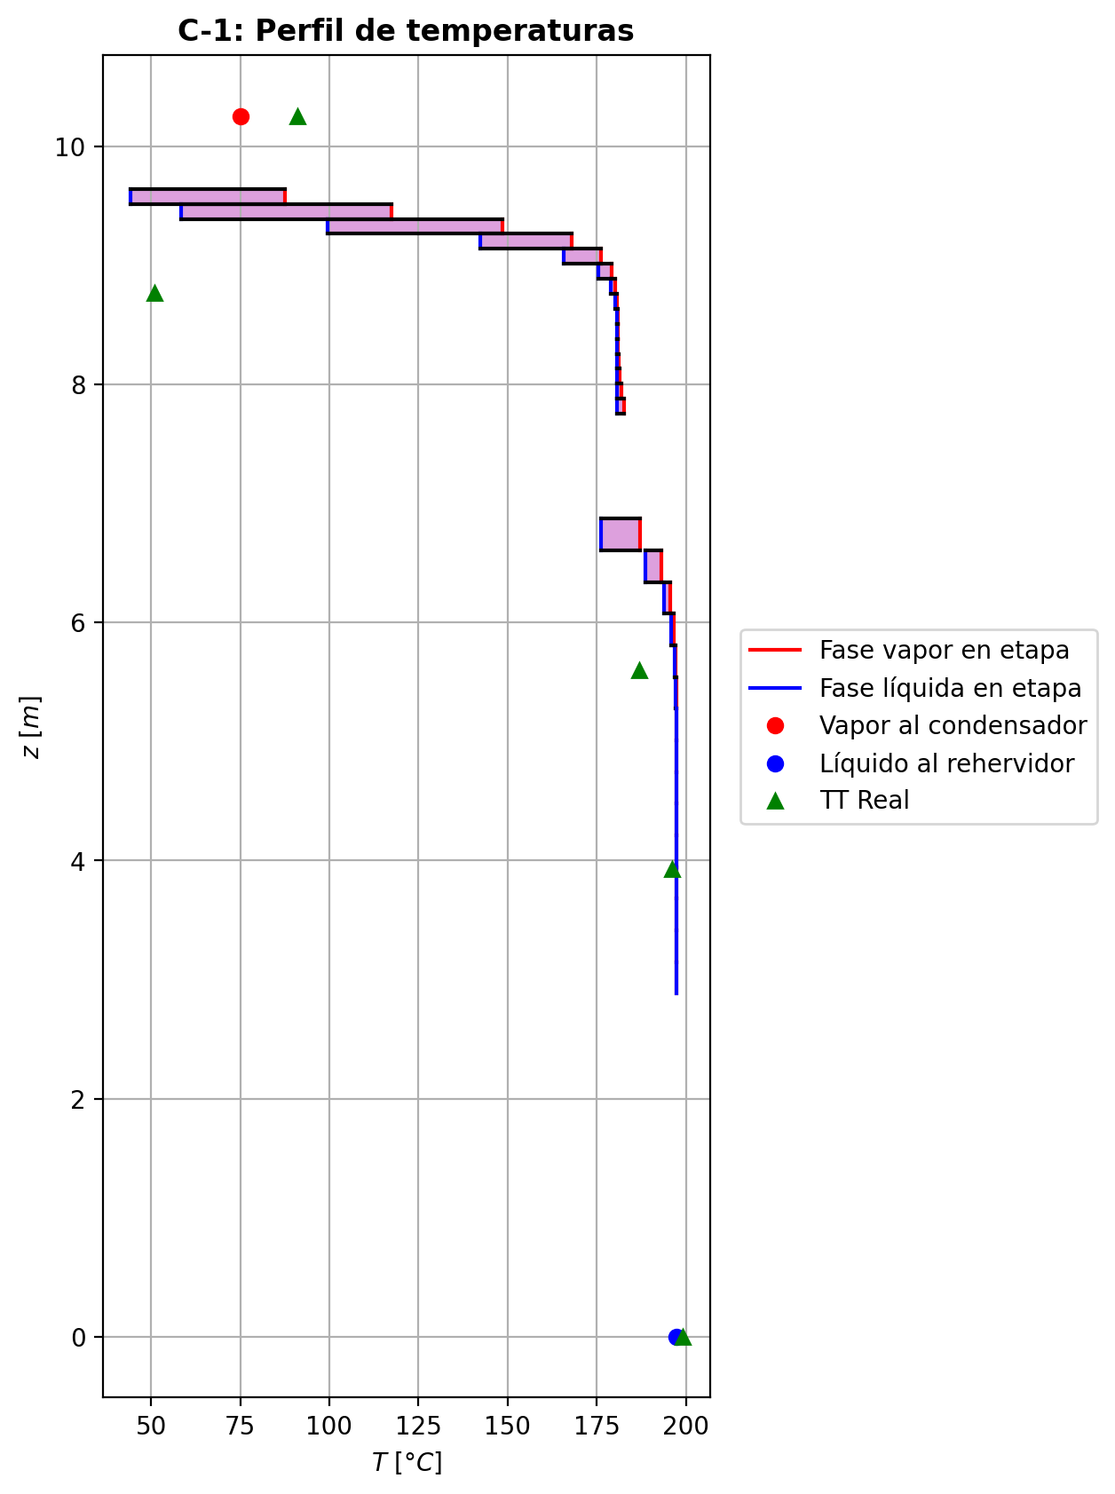
Agotamiento | 23 | 5.2746 | 5.0086 | - | - | 28.9669229 | 55.5826626 | 28.97022835 | 55.5826626 | 18.0350271 | - | - | 0.00179454786 | 0.0012620075805 | 0.00206164195 | 0.000328232257 | 0.000380361 | 0.000380361 | 5.1747597379 | 0.68088720649 | -0.030847287 | 0.0374582109 | 0.0066109239 | -0.030855630036 | 0.9999139569 | 8.3430360759E-06 | -0.030849801538 | 1.0007362211 | 2.5145376255E-06 | - | - | 197.290097 | 197.308964 | 197.2617 | 197.258214 | 197.258214 | 66.89655828 | 9897.374448 | -7652.26779 | 34.2601306 | -7686.52792 | 622.272749 | -8274.54054 | - | - | -237097.539 | -272509.21 | - | - | 14.7066684 |  |  |  |  |  |  |  |  | 0.413497936 | 48.1574552 | 0.41349794406 | 48.157455612 | 0.013013802972 | 8.539381908E-05 | 0.01301380264 | 8.5393815683E-05 | 53.036127842 | 80.752853645 | 0.12916713244 | 2.3998437933 | 0.058616213729 | 0.48867654231 | 496423.24875 | 440.51835087 | 7.2570690437 | 0.604679213 | 6.59628673 | 0.60468491475 | 6.59628714 | 622.83424239 | 143.36123021 | 622.91304798 | 143.36134159 | 0.0010241463244 | 0.0010241479297 | 3.7226399695E-05 | 3.7239175694E-05 | 5.1747638384 | 0.68088770681 | 66.89661206 | 9897.3820162 | 426.30483049 | 424.41215127 | -240759.17802 | -272539.74907 | 1.0007838274 | -38420.687568 | -237453.71071 | -62765.271102 | -272589.01912 | -7709.4171985 | -8274.5586359 | 4.0167193542E-05 | -0.030712579992 | 0.0066255437353 | -7629.3175986 | 0.0020616330643 | 0.000328230892 | 197.2617083
Agotamiento | 24 | 5.0086 | 4.7426 | - | - | 28.9735338 | 55.5853948 | 28.97489985 | 55.5853948 | 18.0363941 | - | - | 0.000729467301 | 0.000512913339 | 0.000838015583 | 0.000133394431 | 0.000154602107 | 0.000154602107 | 5.1760279548 | 0.68092642984 | -0.0125478583 | 0.015279979 | 0.0027321207 | -0.012549259641 | 0.99996398002 | 1.4013411508E-06 | -0.012548280692 | 1.0003001323 | 4.223916168E-07 | - | - | 197.327831 | 197.335695 | 197.316358 | 197.314933 | 197.314933 | 66.92305968 | 9901.490796 | -3122.96286 | 13.8483321 | -3136.8112 | 254.604254 | -3377.56712 | - | - | -237307.552 | -272551.999 | - | - | 14.7068853 |  |  |  |  |  |  |  |  | 0.413492324 | 48.1627095 | 0.41349233114 | 48.162709849 | 0.0130151439 | 8.541190836E-05 | 0.013015143573 | 8.5411904806E-05 | 53.09147055 | 80.746512269 | 0.12914322526 | 2.4016055382 | 0.058617682039 | 0.48875322238 | 496373.76573 | 440.59536597 | 7.2566340317 | 0.604618275 | 6.59512359 | 0.60462120965 | 6.5951240035 | 622.99085175 | 143.34755331 | 623.02339881 | 143.3476646 | 0.001024250004 | 0.0010242516132 | 3.7221936609E-05 | 3.7234711356E-05 | 5.1760320791 | 0.6809269407 | 66.923113966 | 9901.4984909 | 426.33714309 | 424.44470001 | -240906.98748 | -272582.53503 | 1.0003190274 | -38408.595655 | -237452.33044 | -62760.673606 | -272584.43839 | -3146.3210068 | -3377.5724552 | 4.0178696338E-05 | -0.012492531458 | 0.0027554295397 | -3117.6152403 | 0.0008380139996 | 0.00013339419128 | 197.31636556
Agotamiento | 25 | 4.7426 | 4.4766 | - | - | 28.9762659 | 55.5865537 | 28.97684535 | 55.5865537 | 18.0369499 | - | - | 0.000296359377 | 0.0002083215515 | 0.000340478023 | 5.41929538E-05 | 6.28163347E-05 | 6.28163347E-05 | 5.1765097979 | 0.68094519989 | -0.0051018757 | 0.00626076787 | 0.00115889217 | -0.0051021171222 | 0.99998407325 | 2.4142221488E-07 | -0.0051019484974 | 1.000122673 | 7.2797358432E-08 | - | - | 197.343559 | 197.34696 | 197.338984 | 197.338394 | 197.338394 | 66.93407496 | 9903.186828 | -1281.06831 | 5.52346714 | -1286.59178 | 105.319596 | -1386.38791 | - | - | -237392.953 | -272569.363 | - | - | 14.7071023 |  |  |  |  |  |  |  |  | 0.413493576 | 48.1648227 | 0.41349358459 | 48.164823044 | 0.013015597896 | 8.541949968E-05 | 0.013015597536 | 8.541949601E-05 | 53.114247307 | 80.743970284 | 0.12913369168 | 2.4023219185 | 0.058618333272 | 0.48878346718 | 496352.48002 | 440.62361375 | 7.2564669393 | 0.604593055 | 6.59462312 | 0.60459493945 | 6.5946235431 | 623.05492922 | 143.34239074 | 623.06868285 | 143.3425022 | 0.0010242968376 | 0.0010242984459 | 3.7220222505E-05 | 3.7232996632E-05 | 5.1765138728 | 0.68094571033 | 66.934129843 | 9903.1945492 | 426.35028087 | 424.45793552 | -240967.08761 | -272599.89823 | 1.0001296952 | -38403.62872 | -237451.7627 | -62758.752618 | -272582.54365 | -1290.6998264 | -1386.3886763 | 4.0183164205E-05 | -0.0050792927395 | 0.0011873766809 | -1283.38932 | 0.00034047770252 | 5.4192905777E-05 | 197.33899022
Agotamiento | 26 | 4.4766 | 4.2106 | - | - | 28.9774248 | 55.5870736 | 28.9776848 | 55.5870736 | 18.0371759 | - | - | 0.000120283726 | 8.44964611E-05 | 0.000138216147 | 2.19988977E-05 | 2.550455E-05 | 2.550455E-05 | 5.1766724132 | 0.68095577497 | -0.00207402028 | 0.00259398381 | 0.00051996353 | -0.0020740642151 | 0.99999201616 | 4.3935078186E-08 | -0.0020740335414 | 1.0000506822 | 1.3261435849E-08 | - | - | 197.350361 | 197.3519505 | 197.348593 | 197.348343 | 197.348343 | 66.9387456 | 9903.89754 | -532.245462 | 2.13542897 | -534.380891 | 44.6661375 | -576.9116 | - | - | -237427.668 | -272576.388 | - | - | 14.7073192 |  |  |  |  |  |  |  |  | 0.413497585 | 48.1656558 | 0.41349759259 | 48.165656145 | 0.013015692108 | 8.542283256E-05 | 0.013015691769 | 8.5422829237E-05 | 53.123644141 | 80.742974025 | 0.12913000951 | 2.4026123565 | 0.058618654958 | 0.48879477592 | 496342.64922 | 440.63210743 | 7.2564092957 | 0.604582457 | 6.59439088 | 0.60458392774 | 6.5943912775 | 623.08141572 | 143.3407072 | 623.08753087 | 143.34081882 | 0.0010243206569 | 0.0010243222661 | 3.7219631365E-05 | 3.7232405094E-05 | 5.1766765145 | 0.68095629021 | 66.938800692 | 9903.9053263 | 426.35562297 | 424.46331517 | -240991.51669 | -272606.92349 | 1.0000526702 | -38401.585635 | -237451.5268 | -62757.917531 | -272581.74008 | -536.29974879 | -576.91142698 | 4.0184781641E-05 | -0.0020648258458 | 0.00054709898826 | -536.88413117 | 0.00013821606239 | 2.1998884986E-05 | 197.34859881
Agotamiento | 27 | 4.2106 | 3.9446 | - | - | 28.9779448 | 55.5873339 | 28.97807495 | 55.5873339 | 18.0372677 | - | - | 4.87091962E-05 | 3.41622971E-05 | 5.59981196E-05 | 8.91275924E-06 | 1.03377852E-05 | 1.03377852E-05 | 5.1767053756 | 0.68096304429 | -0.000843073383 | 0.00110335026 | 0.000260276877 | -0.00084308227466 | 0.99999503984 | 8.8916560003E-09 | -0.00084307607369 | 1.0000216469 | 2.690686447E-09 | - | - | 197.35354 | 197.354394 | 197.352912 | 197.3528 | 197.3528 | 66.94082856 | 9904.207572 | -227.827386 | 0.75871415 | -228.5861 | 20.0162936 | -247.843679 | - | - | -237441.775 | -272579.21 | - | - | 14.7075362 |  |  |  |  |  |  |  |  | 0.413502708 | 48.165968 | 0.41350271741 | 48.165968425 | 0.013015640232 | 8.542443636E-05 | 0.013015639855 | 8.5424432736E-05 | 53.127578224 | 80.742606208 | 0.12912870779 | 2.4027294926 | 0.058618843314 | 0.48879837951 | 496337.47584 | 440.63257889 | 7.256396229 | 0.604577818 | 6.59426749 | 0.60457912543 | 6.5942678894 | 623.0926223 | 143.34044088 | 623.09563215 | 143.34055212 | 0.0010243351356 | 0.0010243367441 | 3.72194972E-05 | 3.7232271005E-05 | 5.1767094663 | 0.6809635584 | 66.94088382 | 9904.2153598 | 426.3577929 | 424.46550018 | -241001.44328 | -272609.74601 | 1.0000213508 | -38400.73553 | -237451.42601 | -62757.522743 | -272581.38001 | -229.61745461 | -247.84353949 | 4.0185241596E-05 | -0.00083933361317 | 0.00028945634819 | -234.027492 | 5.5998090658E-05 | 8.9127547953E-06 | 197.35291799
Agotamiento | 28 | 3.9446 | 3.6786 | - | - | 28.9782051 | 55.5874885 | 28.9782824 | 55.5874885 | 18.037305 | - | - | 1.9615398E-05 | 1.3702425665E-05 | 2.25781245E-05 | 3.59357329E-06 | 4.17281801E-06 | 4.17281801E-06 | 5.1766856637 | 0.68096896769 | -0.000342693446 | 0.000497290544 | 0.000154597098 | -0.00034269556436 | 0.99999602042 | 2.1183552434E-09 | -0.00034269409111 | 1.0000100468 | 6.4510555483E-10 | - | - | 197.355248 | 197.355805 | 197.355081 | 197.355025 | 197.355025 | 66.94185708 | 9904.354632 | -104.048135 | 0.202208578 | -104.250343 | 9.99746221 | -114.045597 | - | - | -237447.505 | -272580.324 | - | - | 14.7077531 |  |  |  |  |  |  |  |  | 0.41350828 | 48.1660685 | 0.41350828752 | 48.166068904 | 0.013015529136 | 8.542533708E-05 | 0.013015528822 | 8.5425333503E-05 | 53.129286023 | 80.742493889 | 0.12912837469 | 2.4027761582 | 0.058618977886 | 0.48879884909 | 496334.19493 | 440.62979778 | 7.256401273 | 0.604575603 | 6.5941883 | 0.60457685078 | 6.5941887129 | 623.09761872 | 143.34075001 | 623.09935919 | 143.34086138 | 0.0010243458158 | 0.0010243474214 | 3.721954888E-05 | 3.7232322766E-05 | 5.1766897773 | 0.68096948263 | 66.941912651 | 9904.3624337 | 426.35867458 | 424.46638661 | -241005.47439 | -272610.86012 | 1.0000086185 | -38400.371631 | -237451.38003 | -62757.313398 | -272581.20017 | -104.92277027 | -114.04553333 | 4.0185241596E-05 | -0.00034117296935 | 0.00018395863454 | -110.72877841 | 2.257811241E-05 | 3.5935714047E-06 | 197.35508685
Agotamiento | 29 | 3.6786 | 3.4126 | - | - | 28.9783597 | 55.5875998 | 28.97841535 | 55.5875998 | 18.0373201 | - | - | 7.78945333E-06 | 5.38598095E-06 | 8.99371754E-06 | 1.43145977E-06 | 1.66690829E-06 | 1.66690829E-06 | 5.1766445652 | 0.68097434284 | -0.000139297042 | 0.000250612978 | 0.000111315936 | -0.00013929764155 | 0.99999617062 | 5.9954551073E-10 | -0.00013929722755 | 1.0000055658 | 1.8555345653E-10 | - | - | 197.356362 | 197.3568015 | 197.356376 | 197.356343 | 197.356343 | 66.94245576 | 9904.435416 | -53.6453153 | -0.0169651055 | -53.6283502 | 5.92517786 | -59.5704932 | - | - | -237449.829 | -272580.743 | - | - | 14.7079701 |  |  |  |  |  |  |  |  | 0.413514027 | 48.1660829 | 0.41351403593 | 48.166083263 | 0.013015394316 | 8.542595232E-05 | 0.013015393936 | 8.5425948802E-05 | 53.130085523 | 80.742485448 | 0.1291284372 | 2.4027941743 | 0.058619091321 | 0.48879804398 | 496331.68263 | 440.62569398 | 7.2564136389 | 0.604574371 | 6.59412707 | 0.60457560695 | 6.5941274865 | 623.10007765 | 143.34129286 | 623.10129539 | 143.34140412 | 0.0010243549366 | 0.0010243565433 | 3.7219675916E-05 | 3.7232449664E-05 | 5.1766486643 | 0.68097485829 | 66.942511087 | 9904.4432088 | 426.35903151 | 424.46674491 | -241007.10887 | -272611.27977 | 1.0000034429 | -38400.204755 | -237451.35608 | -62757.165358 | -272581.09358 | -54.159356542 | -59.570472109 | 4.0185031053E-05 | -0.00013867896421 | 0.00014128827241 | -60.649186486 | 8.9937120449E-06 | 1.431458908E-06 | 197.35638214
Agotamiento | 30 | 3.4126 | 3.1466 | - | - | 28.978471 | 55.5876928 | 28.9785175 | 55.5876928 | 18.0373261 | - | - | 2.98250857E-06 | 2.005559195E-06 | 3.47200932E-06 | 5.52614905E-07 | 6.48318482E-07 | 6.48318482E-07 | 5.1765948655 | 0.68097948847 | -5.66209023E-05 | 0.000149592206 | 9.29713037E-05 | -5.6621088759E-05 | 0.9999959622 | 1.8645945301E-10 | -5.6620962575E-05 | 1.0000040248 | 6.0275014484E-11 | - | - | 197.357241 | 197.357642 | 197.357316 | 197.357292 | 197.357292 | 66.9428748 | 9904.489092 | -32.952721 | -0.0899829118 | -32.8627381 | 4.26991866 | -37.2226397 | - | - | -237450.768 | -272580.88 | - | - | 14.7081871 |  |  |  |  |  |  |  |  | 0.413519828 | 48.1660622 | 0.41351983846 | 48.166062635 | 0.013015250496 | 8.542645164E-05 | 0.013015250108 | 8.5426447873E-05 | 53.130508018 | 80.742519201 | 0.12912866482 | 2.4028005452 | 0.058619197898 | 0.48879672151 | 496329.48369 | 440.62106429 | 7.2564288868 | 0.604573532 | 6.59407315 | 0.60457479189 | 6.5940735791 | 623.10149173 | 143.34192841 | 623.10247411 | 143.34203973 | 0.0010243633975 | 0.001024365005 | 3.721983223E-05 | 3.7232606138E-05 | 5.1765989255 | 0.6809800006 | 66.942930283 | 9904.4968994 | 426.35917334 | 424.4668881 | -241007.76865 | -272611.41716 | 1.000001339 | -38400.120318 | -237451.34042 | -62757.030329 | -272581.01678 | -33.34662037 | -37.222635931 | 4.0184753566E-05 | -5.636966952E-05 | 0.00012472792409 | -40.452842743 | 3.4720067487E-06 | 5.5261449882E-07 | 197.35732221
Agotamiento | 31 | 3.1466 | 2.8806 | 28.9786478 | - | 28.978564 | 55.5877766 | 19.3190706 | 55.5877766 | 18.0373285 | 2.34399909E-07 | - | 1.02860982E-06 | 9.1145020633E-07 | 1.22757909E-06 | 1.95385903E-07 | 2.3428686E-07 | 2.3428686E-07 | 5.1765417619 | 0.68098451356 | -2.30150429E-05 | 0.000106806619 | 8.37915761E-05 | -2.3015119272E-05 | 1.8855354465 | 7.6371849325E-11 | -2.3015062531E-05 | 1.0000036723 | 1.9631265259E-11 | 197.358852 | - | 197.358043 | 197.35832833 | 197.358112 | 197.358091 | 197.358091 | 66.9432114 | 9904.5315 | -24.0719922 | -0.0828623463 | -23.9891299 | 3.59710394 | -27.6690961 | -237451.28745 | - | -237451.143 | -272580.902 | 14.708621 | - | 14.708404 |  |  |  |  |  |  |  |  | 0.413525613 | 48.1660274 | 0.41352577469 | 48.166027786 | 0.013015104696 | 8.542690344E-05 | 0.013015097532 | 8.5426899694E-05 | 53.130805341 | 80.742570106 | 0.12912894043 | 2.4028021826 | 0.058619289923 | 0.48879518877 | 496327.41216 | 293.74405548 | 7.2564450763 | 0.604572835 | 6.59402219 | 0.60457411339 | 6.5940226477 | 623.10243445 | 143.34259774 | 415.40228932 | 143.34270855 | 0.0010243715285 | 0.0010243731332 | 3.7219998473E-05 | 3.7232772274E-05 | 3.4510295193 | 0.68098502645 | 44.628858154 | 9904.5392666 | 426.35923007 | 400.23092374 | -241007.98034 | -272611.43982 | 1.0000004839 | -38400.068062 | -237451.33293 | -62756.934668 | -272580.9521 | -24.477594834 | -27.669096354 | 2.1265309502E-05 | -1.0636785571E-05 | 9.2842152296E-05 | -23.999365295 | 1.3516560102E-06 | 2.1513434326E-07 | 197.35811211

Exportar_resultados_ACM
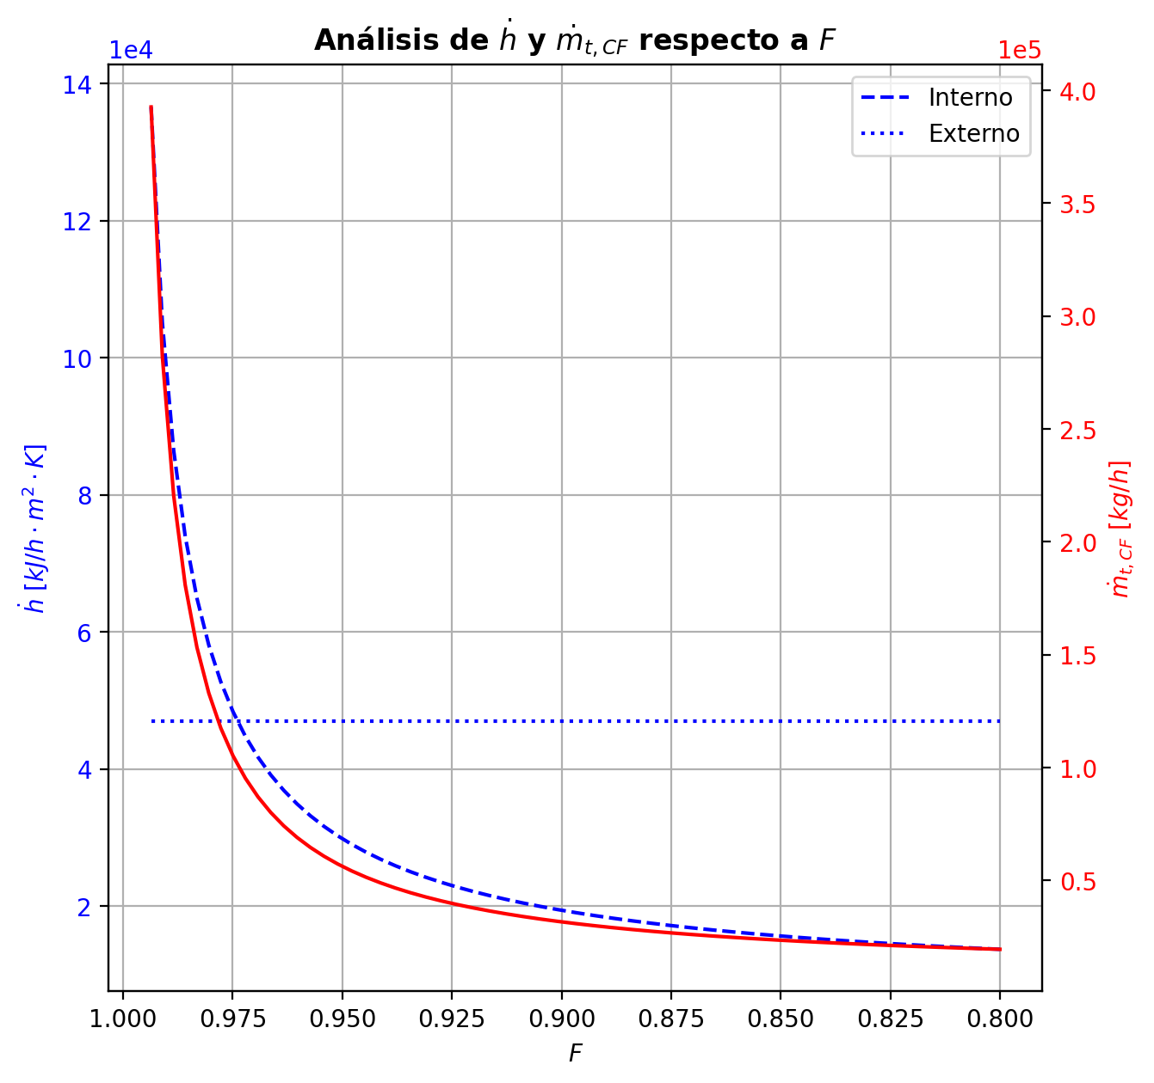
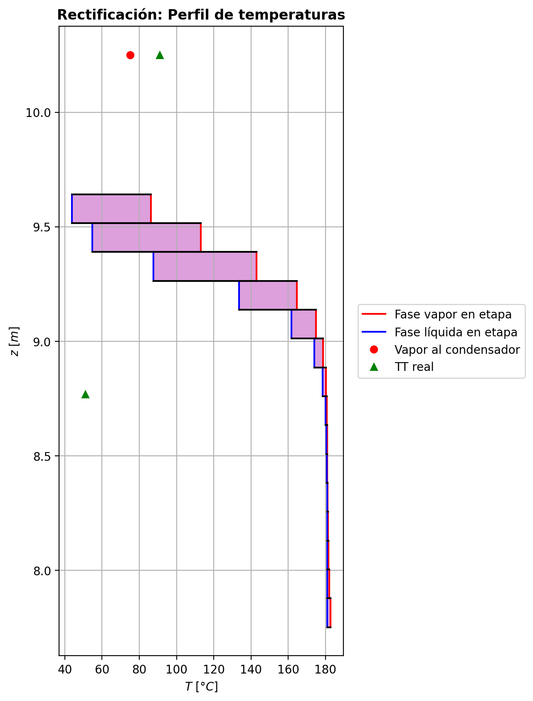


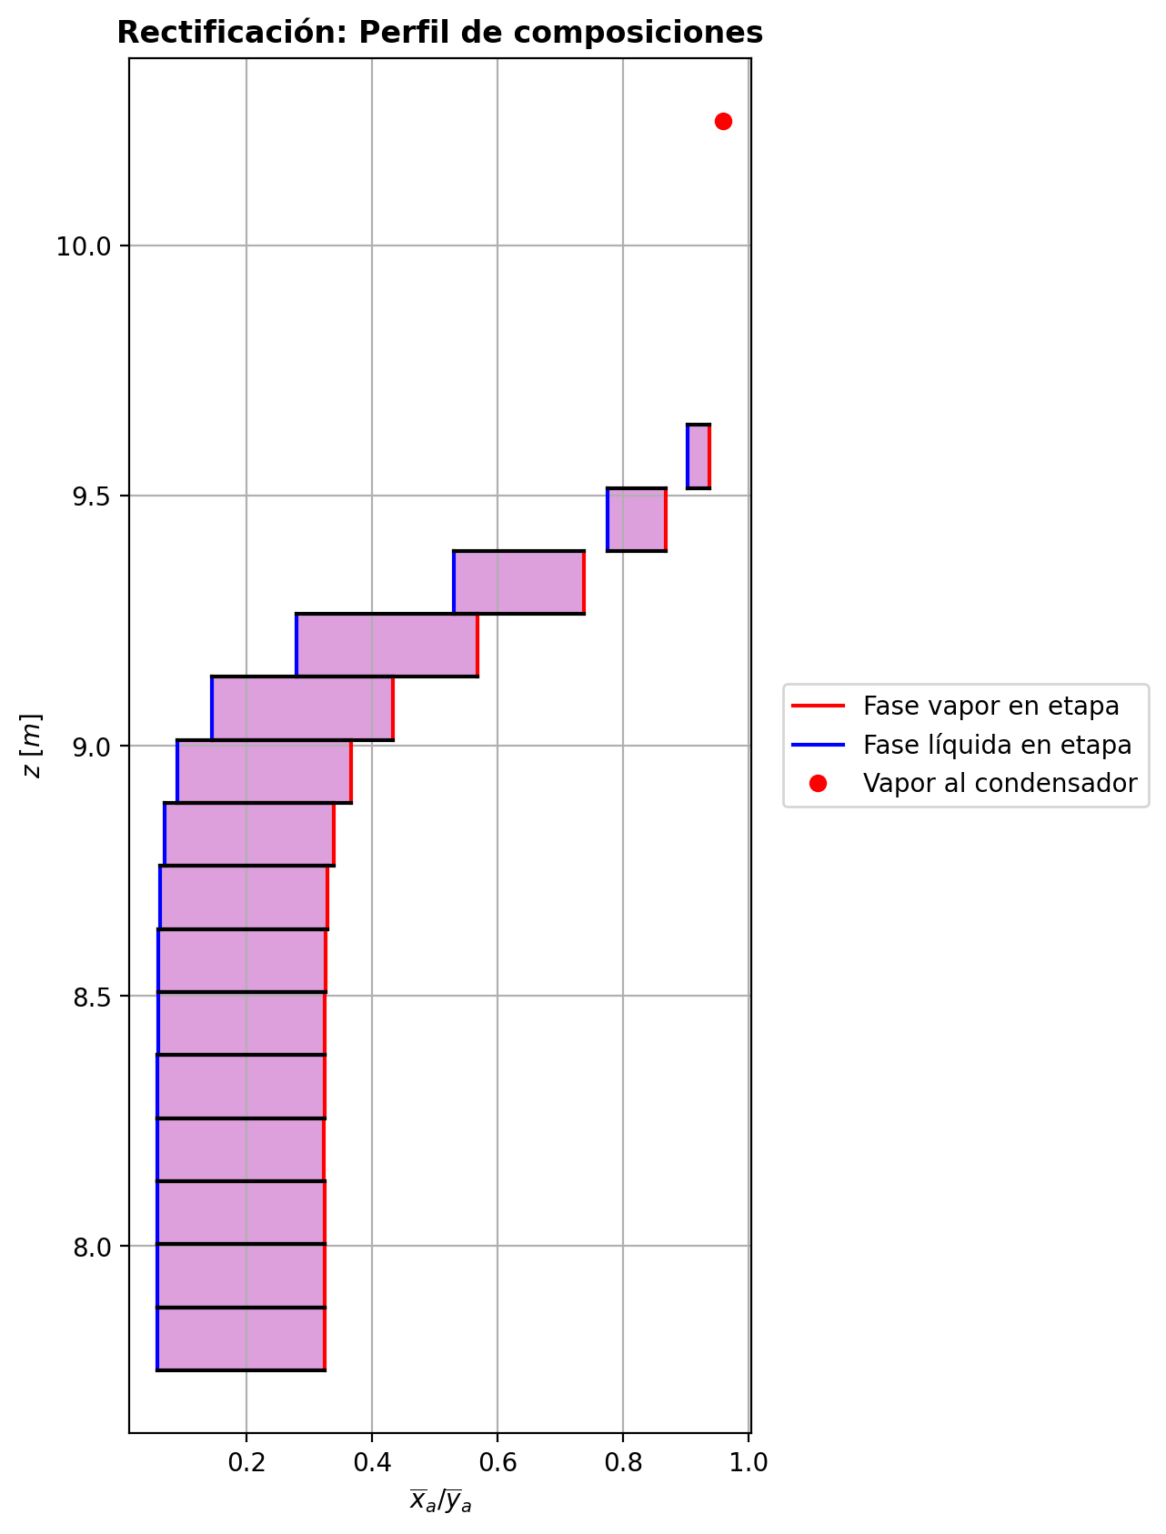

$${\left[N_{t}=N_{a}+N_{w} \right]}_{2}$$
$${\left[N_{t}=N_{a}+N_{w} \right]}_{ps1+ps2−3}$$
$$F_{fría}^{l}+F_{caliente}^{l}=P_{fría}^{l}+P_{caliente}^{l}$$
$${\left[J_{a}^{g}=Γ^{g,b}ρ^{g,b}k_{bm}^{g}a_{ef}A_{tr}Z\left(y_{a}^{b}−y_{a}^{I}\right)\right]}_{2}$$
$${\left(N_{t}\right)}_{2}=V_{3}−V_{2}=L_{2}−{\left(L_{1}−P^{l}\right)}_{E−3}$$
$${\left[J_{a}^{g}=Γ^{g,b}ρ^{g,b}k_{bm}^{g}a_{ef}A_{tr}Z\left(y_{a}^{b}−y_{a}^{I}\right)\right]}_{s}$$
$${\left[N_{t}=N_{a}+N_{w} \right]}_{s}$$
$${\left[J_{a}^{g}=Γ^{g,b}ρ^{g,b}k_{bm}^{g}a_{ef}A_{tr}Z\left(y_{a}^{b}−y_{a}^{I}\right)\right]}_{ps1+ps2−3}$$
Caso | 36 |  |  | Economizador E-1 |  |  |  |  |  |  |  |  | Condensador E-3 (s=1) |  |  |  |  |  |  |  |  | s=2 |  |  |  |  |  |  |  |  |  |  |  |  |  |  | s={3,…,ps1+ps2-4} |  |  |  |  |  |  |  |  |  |  |  |  |  |  |  | s=ps1+ps2-3 |  |  |  |  |  |  |  |  |  |  |  |  |  |  | Rehervidor E-2 (s=ps1+ps2-2)
ps1 | 17 |  | Representación y balances |  |  |  |  |  |  |  |  |  |  |  |  |  |  |  |  |  |  | Atr [m2] | 0.159043 |  |  |  |  |  |  |  |  |  |  |  |  |  | s |  | Atr [m2] | 0.159043 |  |  |  |  |  |  |  |  |  |  |  |  | Atr [m2] | 0.159043
ps2 | 17 |  |  | Pl [kmol/h]= | 26.59486268 | Fl [kmol/h]= | 34.003290416 | Balance de Masa Total [kmol/h] |  |  |  |  | V2 [kmol/h]= | 37.28448329 | Pl Fría [kmol/h]= | 6442.3521022 | Balance de Masa Total [kmol/h] |  |  |  |  |  | V2 [kmol/h]= | 37.28448329 |  |  | L1-Pl en E-3 [kmol/h]= | 29.876055554 |  | Balance de Masa Total [kmol/h] |  |  |  |  |  |  |  |  | Vs [kmol/h]= | #VALUE! |  |  | Ls-1 [kmol/h]= | #VALUE! |  | Balance de Masa Total [kmol/h] |  |  |  |  |  |  |  |  | Vps1+ps2-3 [kmol/h]= | 28.804669853 |  |  | Lps1+ps2-4 [kmol/h]= | 55.399532532 |  | Balance de Masa Total [kmol/h] |  |  |  |  |  | Lps1+ps2-3 [kmol/h]= | 55.393708244 |  |  |  |  | Balance de Masa Total [kmol/h]
$$V_{2}=L_{1}$$
$${\left[J_{a}^{l}=Γ^{l,b}ρ^{l,b}k_{bm}^{l}a_{ef}A_{tr}Z\left(x_{a}^{I}−x_{a}^{b}\right)\right]}_{2}$$
$${\left[J_{a}^{l}=Γ^{l,b}ρ^{l,b}k_{bm}^{l}a_{ef}A_{tr}Z\left(x_{a}^{I}−x_{a}^{b}\right)\right]}_{s}$$
$${\left(N_{t}\right)}_{s}=V_{s+1}−V_{s}=L_{s}−L_{s−1}−F_{s}^{l}$$
$${\left[J_{a}^{l}=Γ^{l,b}ρ^{l,b}k_{bm}^{l}a_{ef}A_{tr}Z\left(x_{a}^{I}−x_{a}^{b}\right)\right]}_{ps1+ps2−3}$$
$${\left(N_{t}\right)}_{ps1+ps2−3}=−V_{ps1+ps2−3}+F_{ps1+ps2−3}^{g}=L_{ps1+ps2−3}−L_{ps1+ps2−4}−F_{ps1+ps2−3}^{l}$$
$$L_{ps1+ps2−3}=P_{ps1+ps2−2}^{g}+P_{ps1+ps2−2}^{l}$$
flowmode1 | VPLUG |  |  | T [°C]= | 56.54135295 | T [°C]= | 20 |  |  |  |  |  | T [°C]= | 75.09838009 | T [°C]= | 31.695379378 |  |  |  |  |  |  | T [°C]= | 75.09838009 |  |  | T [°C]= | 39.759582321 |  |  |  |  |  |  |  |  |  |  | T [°C]= | #VALUE! |  |  | T [°C]= | #VALUE! |  |  |  |  |  |  |  |  |  |  | T [°C]= | 197.2965427 |  |  | T [°C]= | 197.34552525 |  |  |  |  |  |  |  | T [°C]= | 197.34575817 |  |  | Pg [kmol/h]= | 28.798845565
$$F_{fría}^{l}=P_{fría}^{l}$$
$${\left[Q^{g}=k_{h}^{g}a_{ef}A_{tr}Z\left(T^{g,b}−T^{I}\right)\right]}_{2}$$
$${\left[Q^{g}=k_{h}^{g}a_{ef}A_{tr}Z\left(T^{g,b}−T^{I}\right)\right]}_{s}$$
$${\left[Q^{g}=k_{h}^{g}a_{ef}A_{tr}Z\left(T^{g,b}−T^{I}\right)\right]}_{ps1+ps2−3}$$
$${f_{v}\left(L−P^{l}\right)}_{ps1+ps2−2}=P_{ps1+ps2−2}^{g}$$
flowmode2 | VPLUG |  |  | P [bar]= | 14.827457779 | P [bar]= | 18.6326 |  | 60.598153095 | = | 60.598153095 |  | P [bar]= | 14.7038403 | P [bar]= | 3.43233 |  |  |  |  |  |  | P [bar]= | 14.7038403 |  |  | P [bar]= | 14.7038403 |  |  | -3.5437716163 | = | -3.5437716163 | = | -3.5437716163 |  |  |  | P [bar]= | #VALUE! |  |  | P [bar]= | #VALUE! |  |  | #VALUE! | = |  | = | #VALUE! |  |  |  | P [bar]= | 14.704557709 |  |  | P [bar]= | 14.704517949 |  |  | -0.005824287798 | = | -0.005824287798 | = | -0.005824287798 | P [bar]= | 14.704557709 |  |  | T [°C]= | 197.73924623
$${\left[Q^{l}=k_{h}^{l}a_{ef}A_{tr}Z\left(T^{I}−T^{l,b}\right)\right]}_{2}$$
$${\left[Q^{l}=k_{h}^{l}a_{ef}A_{tr}Z\left(T^{I}−T^{l,b}\right)\right]}_{s}$$
$${\left[Q^{l}=k_{h}^{l}a_{ef}A_{tr}Z\left(T^{I}−T^{l,b}\right)\right]}_{ps1+ps2−3}$$
simtype | 0 |  |  | xa molar= | 2.4137941281E-07 | xa molar= | 0.209146 |  |  |  |  |  | ya molar= | 0.95993995099 | xa molar= | 0 |  | 37.28448329 | = | 37.28448329 |  | z top [m]= | ya molar= | 0.95993995099 |  |  | xa molar= | 0.95993995099 |  |  |  |  |  |  |  |  |  | z top [m]= | ya molar= | #VALUE! |  |  | xa molar= | #VALUE! |  |  |  |  |  |  |  |  |  | z top [m]= | ya molar= | 1.0574459708E-06 |  |  | xa molar= | 6.6568854873E-07 |  |  |  |  |  |  |  | xa molar= | 2.4137941281E-07 |  |  | P [bar]= | 14.827457779 |  | 55.393708244 | = | 55.393708244
$${\left(N_{a}\right)}_{ps1+ps2−3}=−{\left(Vy_{a}\right)}_{ps1+ps2−3}+{\left(F^{g}y_{a}\right)}_{ps1+ps2−3}={\left(Lx_{a}\right)}_{ps1+ps2−3}−{\left(Lx_{a}\right)}_{ps1+ps2−4}−{\left(F^{l}x_{a}\right)}_{ps1+ps2−3}$$
pborde1 | - |  |  | h [kJ/kmol]= | -283433.83498 | h [kJ/kmol]= | -243616.70254 | Balance de Masa Amoníaco [kmol/h] |  |  |  |  | h [kJ/kmol]= | -53039.85252 | h [kJ/kmol]= | -285322.23173 |  | 6442.3521022 | = | 6442.3521022 |  | 9.6416 | h [kJ/kmol]= | -53039.85252 |  |  | h [kJ/kmol]= | -75094.408254 |  | Balance de Masa Amoníaco [kmol/h] |  |  |  |  |  |  |  | #VALUE! | h [kJ/kmol]= | #VALUE! |  |  | h [kJ/kmol]= | #VALUE! |  | Balance de Masa Amoníaco [kmol/h] |  |  |  |  |  |  |  | 3.1466 | h [kJ/kmol]= | -237453.89224 |  |  | h [kJ/kmol]= | -272581.83004 |  | Balance de Masa Amoníaco [kmol/h] |  |  |  |  |  | h [kJ/kmol]= | -272581.90023 |  |  | ya molar= | 2.4137941281E-07 |  | 28.798845565 | = | 28.798845565
$${\left(F^{l}x_{a,F}\right)}_{fría}+{\left(F^{l}x_{a,F}\right)}_{caliente}={\left(P^{l}x_{a,P}\right)}_{fría}+{\left(P^{l}x_{a,P}\right)}_{caliente}$$
$${\left(N_{a}\right)}_{2}={\left(Vy_{a}\right)}_{3}−{\left(Vy_{a}\right)}_{2}={\left(Lx_{a}\right)}_{2}−{\left[\left(L_{1}−P^{l}\right)x_{a}\right]}_{E−3}$$
$${\left(N_{a}\right)}_{s}={\left(Vy_{a}\right)}_{s+1}−{\left(Vy_{a}\right)}_{s}={\left(Lx_{a}\right)}_{s}−{\left(Lx_{a}\right)}_{s−1}−{\left(F^{l}x_{a}\right)}_{s}$$
nborde1 | - |  |  |  |  |  |  |  |  |  |  |  |  |  |  |  |  |  |  |  |  |  |  |  | TI [°C]= | 44.186554636 |  |  |  |  |  |  |  |  |  |  | NO APLICA |  |  |  | TI [°C]= | #VALUE! |  |  |  |  |  |  |  |  |  |  | NO APLICA |  |  |  | TI [°C]= | 197.34576406 |  |  |  |  |  |  |  |  |  |  |  |  |  | h [kJ/kmol]= | -237446.92296
$${\left(N_{a}\right)}_{2}={\left(J_{a}^{g}\right)}_{2}+{\left(N_{t}y_{a}^{b}\right)}_{2}={\left(J_{a}^{l}\right)}_{2}+{\left(N_{t}x_{a}^{b}\right)}_{2}$$
$${\left(N_{a}\right)}_{s}={\left(J_{a}^{g}\right)}_{s}+{\left(N_{t}y_{a}^{b}\right)}_{s}={\left(J_{a}^{l}\right)}_{s}+{\left(N_{t}x_{a}^{b}\right)}_{s}$$
$${\left(N_{a}\right)}_{ps1+ps2−3}={\left(J_{a}^{g}\right)}_{ps1+ps2−3}+{\left(N_{t}y_{a}^{b}\right)}_{ps1+ps2−3}={\left(J_{a}^{l}\right)}_{ps1+ps2−3}+{\left(N_{t}x_{a}^{b}\right)}_{ps1+ps2−3}$$
pborde2 | - |  |  |  |  |  |  |  | 7.1116585967 | = | 7.1116585967 |  |  |  |  |  | Balance de Masa Amoníaco [kmol/h] |  |  |  |  |  | V2b [kmol/h]= | 35.512597482 | yaI molar= | 0.99964934027 | L2b [kmol/h]= | 26.332283938 |  |  |  |  |  |  |  |  | Fl Alimentación [kmol/h]= | #VALUE! | Vsb [kmol/h]= | #VALUE! | yaI molar= | #VALUE! | Lsb [kmol/h]= | #VALUE! |  |  |  |  |  |  |  |  | Fl Alimentación [kmol/h]= | - | Vps1+ps2-3b [kmol/h]= | 28.801757709 | yaI molar= | 1.2649311354E-06 | Lps1+ps2-3b [kmol/h]= | 55.393708244 |  |  |  |  |  |  |  |  |  |  |  |  |  | Balance de Masa Amoníaco [kmol/h]
$${\left(Vy_{a}\right)}_{2}={\left(Lx_{a}\right)}_{1}$$
$${\left(Lx_{a}\right)}_{ps1+ps2−3}={\left(P^{g}y_{a}\right)}_{ps1+ps2−2}+{\left(P^{l}y_{a}\right)}_{ps1+ps2−2}$$
nborde2 | - |  |  | Q̇ [kJ/h]= |  |  |  |  |  |  |  |  | Q̇ [kJ/h]= |  |  |  |  |  |  |  |  |  | Tg,b [°C]= | 86.279943833 | xaI molar= | 0.87332714859 | Tl,b [°C]= | 43.930628812 |  |  | -4.9124644407 | = | -4.9124644407 | = | -4.9124644407 |  | T [°C]= | #VALUE! | Tg,b [°C]= | #VALUE! | xaI molar= | #VALUE! | Tl,b [°C]= | #VALUE! |  |  | #VALUE! | = |  | = | #VALUE! |  | T [°C]= | - | Tg,b [°C]= | 197.51789447 | xaI molar= | 2.0131305177E-07 | Tl,b [°C]= | 197.34575817 |  |  | -2.3507933643E-05 | = | -2.3507933643E-05 | = | -2.3507933643E-05
$$\dot{Q}={{\left(P^{l}h_{P}\right)}_{fría}−\left(F^{l}h_{F}\right)}_{fría}$$
$${\left(F^{l}x_{a,F}\right)}_{fría}={\left(P^{l}x_{a,P}\right)}_{fría}$$
$${\left[\left(L−P^{l}\right)x_{a}\right]}_{ps1+ps2−2}={\left(P^{g}y_{a}\right)}_{ps1+ps2−2}$$
Molar RR | 4.0327120165 |  |  | 288605.71433 |  |  |  | Balance de Energía [kJ/h] |  |  |  |  | 822292.71472 |  |  |  |  |  |  |  |  |  | P [bar]= | 14.7038403 | Na [kmol/h]= | -4.9124644407 | P [bar]= | 14.7038403 |  |  | -4.9124644407 | = | -4.9124644407 | = | -4.9124644407 |  | P [bar]= | #VALUE! | P [bar]= | #VALUE! | Na [kmol/h]= | #VALUE! | P [bar]= | #VALUE! |  |  | #VALUE! | = | #VALUE! | = | #VALUE! |  | P [bar]= | - | P [bar]= | 14.704557709 | Na [kmol/h]= | -2.3507933643E-05 | P [bar]= | 14.704557709 |  |  | -2.3507933643E-05 | = | -2.3507933643E-05 | = | -2.3507933643E-05
Molar fv Reboiler | 1 |  |  |  |  |  |  |  |  |  |  |  |  |  |  |  |  | 35.790865062 | = | 35.790865062 |  |  | yab molar= | 0.93755369394 | Nw [kmol/h]= | 1.3686928244 | xab molar= | 0.90257096269 |  |  |  |  |  |  |  |  | xa molar= | #VALUE! | yab molar= | #VALUE! | Nw [kmol/h]= | #VALUE! | xab molar= | #VALUE! |  |  |  |  |  |  |  |  | xa molar= | - | yab molar= | 6.4941269178E-07 | Nw [kmol/h]= | -0.0058007798643 | xab molar= | 2.4137941281E-07 |  |  |  |  |  |  |  |  |  |  |  |  |  |  | 1.3370900769E-05 | = | 1.3370900769E-05
$$\dot{Q}={\left(F^{l}h_{F}\right)}_{caliente}−{\left(P^{l}h_{P}\right)}_{caliente}$$
$$E_{ps1+ps2−3}=−{\left(Vh\right)}_{ps1+ps2−3}+{\left(F^{g}h\right)}_{ps1+ps2−3}={\left(Lh\right)}_{ps1+ps2−3}−{\left(Lh\right)}_{ps1+ps2−4}−{\left(F^{l}h\right)}_{ps1+ps2−3}$$
Mass xa Distillate | 0.95772148285 |  |  |  |  |  |  |  |  |  |  |  | L1 [kmol/h]= | 37.28448329 | Fl Fría [kmol/h]= | 6442.3521022 |  | 0 | = | 0 |  |  |  |  | Nt [kmol/h]= | -3.5437716163 |  |  |  | Balance de Energía [kJ/h] |  |  |  |  |  |  | h [kJ/kmol]= | #VALUE! |  |  | Nt [kmol/h]= | #VALUE! |  |  |  | Balance de Energía [kJ/h] |  |  |  |  |  |  | h [kJ/kmol]= | - |  |  | Nt [kmol/h]= | -0.005824287798 |  |  |  | Balance de Energía [kJ/h] |  |  |  |  |  |  |  |  |  |  |  |  | 6.951448432E-06 | = | 6.951448432E-06
$$\dot{Q}=n_{tb}UA_{ext}ΔT_{ln}$$
$$E_{2}={\left(Vh\right)}_{3}−{\left(Vh\right)}_{2}={\left(Lh\right)}_{2}−{\left[\left(L_{1}−P^{l}\right)h\right]}_{E−3}$$
$$E_{s}={\left(Vh\right)}_{s+1}−{\left(Vh\right)}_{s}={\left(Lh\right)}_{s}−{\left(Lh\right)}_{s−1}−{\left(F^{l}h\right)}_{s}$$
$$E_{ps1+ps2−3}={\left(Q^{g}\right)}_{ps1+ps2−3}+{\left(ΣN_{i}{\hat{h}}_{i}^{g,b}\right)}_{ps1+ps2−3}={\left(Q^{l}\right)}_{ps1+ps2−3}+{\left(ΣN_{i}{\hat{h}}_{i}^{l,b}\right)}_{ps1+ps2−3}$$
Mass xa Bottoms | 2.2818501692E-07 |  |  | Fl=Pl en E-2 [kmol/h]= | 26.59486268 | Pl=Fl Alimentación [kmol/h]= | 34.003290416 |  |  |  |  |  | T [°C]= | 39.759582321 | T [°C]= | 30 |  |  |  |  |  |  |  |  | E [kJ/h]= | -76668.255683 |  |  |  |  |  |  |  |  |  |  |  |  |  |  | E [kJ/h]= | #VALUE! |  |  |  |  |  |  |  |  |  |  |  |  |  |  | E [kJ/h]= | 1583.7068287
$$E_{2}={\left(Q^{g}\right)}_{2}+{\left(ΣN_{i}{\hat{h}}_{i}^{g,b}\right)}_{2}={\left(Q^{l}\right)}_{2}+{\left(ΣN_{i}{\hat{h}}_{i}^{l,b}\right)}_{2}$$
$$E_{s}={\left(Q^{g}\right)}_{s}+{\left(ΣN_{i}{\hat{h}}_{i}^{g,b}\right)}_{s}={\left(Q^{l}\right)}_{s}+{\left(ΣN_{i}{\hat{h}}_{i}^{l,b}\right)}_{s}$$
 |  |  |  | T [°C]= | 197.34461474 | T [°C]= | 120.24085142 |  | 288605.71433 | = | 288605.71433 |  | P [bar]= | 14.7038403 | P [bar]= | 3.43233 | Balance de Energía [kJ/h] |  |  |  |  | z lower [m]= | V3 [kmol/h]= | 33.740711674 |  |  | L2 [kmol/h]= | 26.332283938 |  |  |  |  |  |  |  |  |  | z lower [m]= | Vs+1 [kmol/h]= |  |  |  | Ls [kmol/h]= | #VALUE! |  |  |  |  |  |  |  |  |  | z lower [m]= |  |  | Fg=Pg en E-2 [kmol/h]= | 28.798845565 | Lps1+ps2-3 [kmol/h]= | 55.393708244 |  |  |  |  |  |  |  |  |  |  |  |  | Q̇ [kJ/h]= | Balance de Energía [kJ/h]
$$\dot{Q}={\left(Vh\right)}_{2}−{\left(Lh\right)}_{1}$$
$${\left(Lh\right)}_{ps1+ps2−3}={\left(P^{g}h\right)}_{ps1+ps2−2}+{\left(P^{l}h\right)}_{ps1+ps2−2}−\dot{Q}$$
 |  |  |  | P [bar]= | 14.827457779 | P [bar]= | 18.6326 |  | 288605.71433 | = | 288605.71433 |  | xa molar= | 0.95993995099 | xa molar= | 0 |  |  |  |  |  | 9.5156 | T [°C]= | 97.461507575 |  |  | T [°C]= | 43.930628812 |  |  | -76668.255683 | = | -76668.255683 | = | -76668.255683 |  |  | #VALUE! | T [°C]= |  |  |  | T [°C]= | #VALUE! |  |  | #VALUE! | = |  | = | #VALUE! |  |  | 2.8806 |  |  | T [°C]= | 197.73924623 | T [°C]= | 197.34575817 |  |  | 1583.7068287 | = | 1583.7068287 | = | 1583.7068287 |  |  |  |  |  | 1011846.7843
$$n_{tb}UA_{ext}ΔT_{ln}$$
$$\dot{Q}={{\left(P^{l}h_{P}\right)}_{fría}−\left(F^{l}h_{F}\right)}_{fría}$$
$$\dot{Q}={\left(P^{g}h\right)}_{ps1+ps2−2}−{\left[\left(L−P^{l}\right)h\right]}_{ps1+ps2−2}$$
 |  |  |  | xa molar= | 2.4137941281E-07 | xa molar= | 0.209146 |  |  | = | 288605.71433 |  | h [kJ/kmol]= | -75094.408254 | h [kJ/kmol]= | -285449.87031 |  |  |  |  |  |  | P [bar]= | 14.703855607 |  |  | P [bar]= | 14.7038403 |  |  | -76668.255683 | = | -76668.255683 | = | -76668.255683 |  |  |  | P [bar]= |  |  |  | P [bar]= | #VALUE! |  |  | #VALUE! | = | #VALUE! | = | #VALUE! |  |  |  |  |  | P [bar]= | 14.827457779 | P [bar]= | 14.704557709 |  |  | 1583.7068287 | = | 1583.7068287 | = | 1583.7068287
 |  |  |  | h [kJ/kmol]= | -272581.90023 | h [kJ/kmol]= | -235129.12058 |  |  |  |  |  |  |  |  |  |  | 822292.71472 | = | 822292.71472 |  | Z [m]= | ya molar= | 0.91516743689 |  |  | xa molar= | 0.90257096269 |  |  |  |  |  |  |  |  |  | Z [m]= | ya molar= |  |  |  | xa molar= | #VALUE! |  |  |  |  |  |  |  |  |  | Z [m]= |  |  | ya molar= | 2.4137941281E-07 | xa molar= | 2.4137941281E-07 |  |  |  |  |  |  |  |  |  |  |  |  |  |  | -15099322.254 | = | -15099322.254
 |  |  |  |  | Caliente | Fría |  | LV-1 | % Apertura | 0.110645 |  |  | L1-Pl [kmol/h]= | 29.876055554 | Pl [kmol/h]= | 7.408427736 |  | 822292.71472 | = | 822292.71472 |  | 0.126 | h [kJ/kmol]= | -60882.881504 |  |  | h [kJ/kmol]= | -88112.105048 |  |  |  |  |  |  |  |  |  | #VALUE! | h [kJ/kmol]= |  |  |  | h [kJ/kmol]= | #VALUE! |  |  |  |  |  |  |  |  |  | 0.266 |  |  | h [kJ/kmol]= | -237446.92296 | h [kJ/kmol]= | -272581.90023 |  |  |  |  |  |  |  | Pl [kmol/h]= | 26.59486268 | Lps1+ps2-2-Pl [kmol/h]= | 28.798845565 |  |  |  | 1011846.7843 | = | 1011846.7843
 |  |  |  |  |  |  |  |  | q̇ [m3/h] | 0.48614235404 |  |  | T [°C]= | 39.759582321 | T [°C]= | 39.759582321 |  |  |  |  |  |  |  | Vapor |  |  | Líquido |  |  |  |  |  |  |  |  |  |  |  |  | Vapor |  |  | Líquido |  |  |  |  |  |  |  |  |  |  |  |  | Vapor |  |  | Líquido |  |  |  |  |  |  |  |  | T [°C]= | 197.34461474 | T [°C]= | 197.34461474
 |  |  |  |  | Factor de corrección F | 0.74918134026 |  |  |  |  |  |  | P [bar]= | 14.7038403 | P [bar]= | 14.7038403 | Relación |  |  |  |  | Transferencia de masa y calor |  |  |  |  |  |  |  |  |  |  |  |  |  |  |  | Transferencia de masa y calor |  |  |  |  |  |  |  |  |  |  |  |  |  |  |  | Transferencia de masa y calor |  |  |  |  |  |  |  |  |  |  |  |  |  | P [bar]= | 14.827457779 | P [bar]= | 14.827457779 |  |  | Relación
$$RR=\frac{L_{1}−{\left(P^{l}\right)}_{1}}{{\left(P^{l}\right)}_{1}}$$
$$f_{v}=\frac{P_{ps1+ps2−2}^{g}}{{\left(L−P^{l}\right)}_{ps1+ps2−2}}$$
 |  |  |  |  | ḣint [kJ/h·m2·K] | 7258.1048583 |  |  |  |  |  |  | xa molar= | 0.95993995099 | xa molar= | 0.95993995099 |  |  |  |  |  | Difusión |  | Convección |  | aef [m2/m3] | 508.60651507 | khg [kJ/h·m2·°C] | 88.098651687 |  |  |  |  |  |  |  |  | Difusión |  | Convección |  | aef [m2/m3] | #VALUE! | khg [kJ/h·m2·°C] | #VALUE! |  |  |  |  |  |  |  |  | Difusión |  | Convección |  | aef [m2/m3] | 424.31722665 | khg [kJ/h·m2·°C] | 66.491835777 |  |  |  |  |  |  | xa molar= | 2.4137941281E-07 | xa molar= | 2.4137941281E-07
 |  |  |  |  | ḣext [kJ/h·m2·K] | 1085.2386014 |  |  |  |  |  |  | h [kJ/kmol]= | -75094.408254 | h [kJ/kmol]= | -75094.408254 |  | 4.0327120165 | = | 4.0327120165 |  | Jag [kmol/h]= | -1.5899882714 | Ntyab [kmol/h]= | -3.3224761694 | kbmg [m/h] | 4.6269605394 | khl [kJ/h·m2·°C] | 3654.9617291 |  |  |  |  |  |  |  |  | Jag [kmol/h]= | #VALUE! | Ntyab [kmol/h]= | #VALUE! | kbmg [m/h] | #VALUE! | khl [kJ/h·m2·°C] | #VALUE! |  |  |  |  |  |  |  |  | Jag [kmol/h]= | -2.3504151276E-05 | Ntyab [kmol/h]= | -3.7823664166E-09 | kbmg [m/h] | 5.1483712142 | khl [kJ/h·m2·°C] | 9869.5932113 |  |  |  |  |  |  | h [kJ/kmol]= | -272581.90023 | h [kJ/kmol]= | -272581.90023
 |  |  |  |  |  |  |  |  |  |  |  |  |  |  |  |  |  |  |  |  |  | Jal [kmol/h]= | -1.7139590814 | Ntxab [kmol/h]= | -3.1985053593 | kbml [m/h] | 0.14460017572 |  |  |  |  |  |  |  |  |  |  | Jal [kmol/h]= | #VALUE! | Ntxab [kmol/h]= | #VALUE! | kbml [m/h] | #VALUE! |  |  |  |  |  |  |  |  |  |  | Jal [kmol/h]= | -2.3506527779E-05 | Ntxab [kmol/h]= | -1.4058631687E-09 | kbml [m/h] | 0.67853703484 |  |  |  |  |  |  |  |  |  |  |  |  |  |  |  | 1 | = | 1
 |  |  |  |  |  |  |  |  |  |  |  |  |  | Factor de corrección F | 0.97760763102 |  | PV-2 | % Apertura | 0.308772 |  |  | Qg [kJ/h]= | 37796.377672 | ΣNiĥig,b [kJ/h]= | -114464.63335 | Γg,b | 1 |  |  |  |  |  |  |  |  |  |  | Qg [kJ/h]= | #VALUE! | ΣNiĥig,b [kJ/h]= | #VALUE! | Γg,b | #VALUE! |  |  |  |  |  |  |  |  |  |  | Qg [kJ/h]= | 205.45314372 | ΣNiĥig,b [kJ/h]= | 1378.253685 | Γg,b | 1 |  |  |  |  |  |  |  |  | Q̇ [kJ/h] mediante la suposición de estado cuasi-estacionario del aceite térmico= |  |  |  |  | 1069498.7298
$$\dot{Q}={\overline{L}}_{t66}\left[{\overline{h}}_{t66}\left(TT−6\right)−{\overline{h}}_{t66}\left(TT−7\right)\right]$$
 |  |  |  |  |  |  |  |  |  |  |  |  |  |  |  |  |  | q̇ [m3/h] | 116.61668143 |  |  | Ql [kJ/h]= | 9533.7545852 | ΣNiĥil,b [kJ/h]= | -86202.010268 | Γl,b | 1.0891557333 |  |  |  |  |  |  |  |  |  |  | Ql [kJ/h]= | #VALUE! | ΣNiĥil,b [kJ/h]= | #VALUE! | Γl,b | #VALUE! |  |  |  |  |  |  |  |  |  |  | Ql [kJ/h]= | 1.043613987 | ΣNiĥil,b [kJ/h]= | 1582.6632148 | Γl,b | 1.0000004986
 |  |  |  |  |  |  |  |  |  |  |  |  |  |  |  |  |  |  |  |  |  |  |  |  |  |  |  |  |  |  |  |  |  |  |  |  |  |  |  |  |  |  |  |  |  |  |  |  |  |  |  |  |  |  |  |  |  |  |  |  |  |  |  |  |  |  |  | TT-6 [°C]= | 222.0683 | FIC-1 [m3/h]= | 84.4319
Economizador |  |  |  |  |  |  |  |  |  |  |  |  |  |  |  |  |  |  |  |  |  |  |  |  |  |  |  |  |  |  |  |  |  |  |  |  |  |  |  |  |  |  |  |  |  |  |  |  |  |  |  |  |  |  |  |  |  |  |  |  |  |  |  |  |  |  |  | TT-7 [°C]= | 215.6764 | FIC-1 [kmol/h]= | 292.59528339
Ubicación | Flujos |  |  |  | Masa |  |  |  | Energía |  |  |  |  |  |  |  |  | Hidráulica
Equipo | Fl Fría [kmol/h] | Pl Fría [kmol/h] | Fl Caliente [kmol/h] | Pl Caliente [kmol/h] | xa molar en Fl Fría | xa molar en Pl Fría | xa molar en Fl Caliente | xa molar en Pl Caliente | Tl en Fl Fría [°C] | Tl en Pl Fría [°C] | Tl en Fl Caliente [°C] | Tl en Pl Caliente [°C] | Q̇ [kJ/h] | hl en Fl Fría [kJ/kmol] | hl en Pl Fría [kJ/kmol] | hl en Fl Caliente [kJ/kmol] | hl en Pl Caliente [kJ/kmol] | P en Fl Fría [bar] | P en Pl Fría [bar] | P en Fl Caliente [bar] | P en Pl Caliente [bar]
Economizador E-1 | 34.003290416 | 34.003290416 | 26.59486268 | 26.59486268 | 0.209146 | 0.209146 | 2.4137941281E-07 | 2.4137941281E-07 | 20 | 120.24085142 | 197.34461474 | 56.54135295 | 288605.71433 | -243616.70254 | -235129.12058 | -272581.90023 | -283433.83498 | 18.6326 | 18.6326 | 14.827457779 | 14.827457779

Condensador y Rehervidor |  |  |  |  |  |  |  |  |  |  |  |  |  |  |  |  |  |  |  |  |  |  |  |  | Corriente fría de Condensador
Ubicación |  |  | Flujos |  |  |  | Masa |  |  |  | Energía |  |  |  |  |  |  |  |  | Hidráulica |  |  |  |  | Flujos |  | Masa |  | Energía |  |  |  | Hidráulica
Equipo | s | z [m] | V [kmol/h] | L [kmol/h] | Pg [kmol/h] | Pl [kmol/h] | ya molar en V | xa molar en L | ya molar en Pg | xa molar en Pl | Tg en V [°C] | Tl en L [°C] | Tg en Pg [°C] | Tl en Pl [°C] | Q̇ [kJ/h] | hg en V [kJ/kmol] | hl en L [kJ/kmol] | hg en Pg [kJ/kmol] | hl en Pl [kJ/kmol] | P en V [bar] | P en L [bar] | P en Pg [bar] | P en Pl [bar] |  | Fl Fría [kmol/h] | Pl Fría [kmol/h] | xa molar en Fl Fría | xa molar en Pl Fría | Tl en Fl Fría [°C] | Tl en Pl Fría [°C] | hl en Fl Fría [kJ/kmol] | hl en Pl Fría [kJ/kmol] | P en Fl Fría [bar] | P en Pl Fría [bar]
Condensador E-3 | 1 | 10.2497 | - | 37.28448329 | - | 7.408427736 | - | 0.95993995099 | - | 0.95993995099 | - | 39.759582321 | - | 39.759582321 | -822292.71472 | - | -75094.408254 | - | -75094.408254 | - | 14.7038403 | - | 14.7038403 |  | 6442.3521022 | 6442.3521022 | 0 | 0 | 30 | 31.695379378 | -285449.87031 | -285322.23173 | 3.43233 | 3.43233
Rehervidor E-2 | 32 | 0 | - | 55.393708244 | 28.798845565 | 26.59486268 | - | 2.4137941281E-07 | 2.4137941281E-07 | 2.4137941281E-07 | - | 197.34461474 | 197.73924623 | 197.34461474 | 1011846.7843 | - | -272581.90023 | -237446.92296 | -272581.90023 | - | 14.827457779 | 14.827457779 | 14.827457779

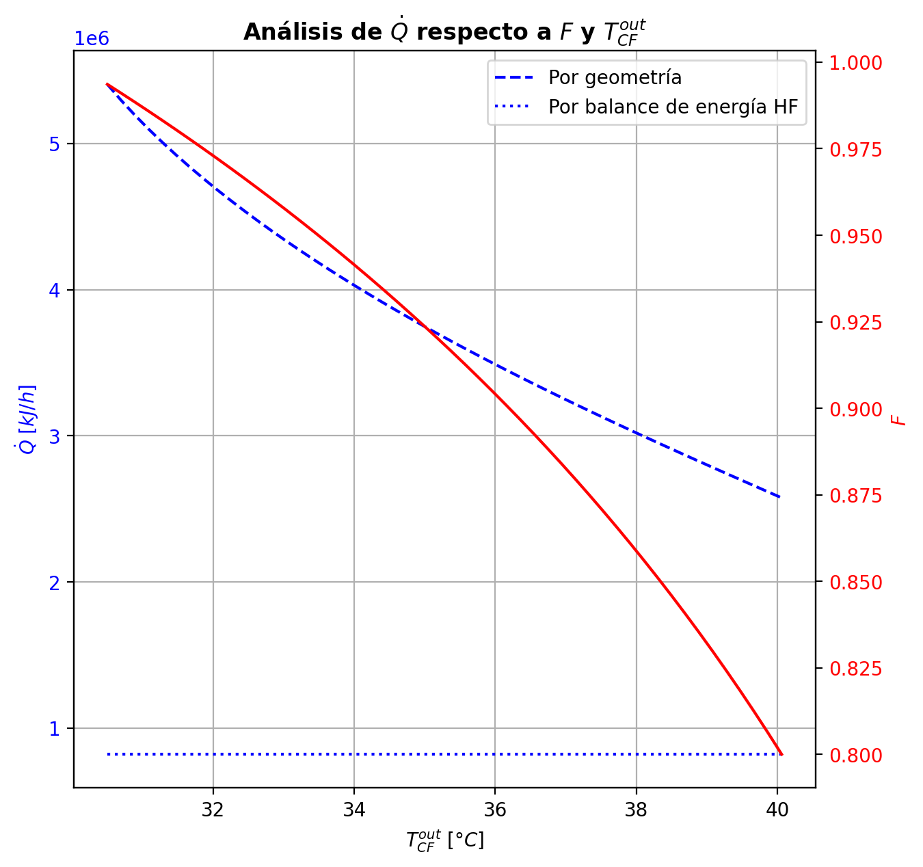
Etapas |  |  |  |  |  |  |  |  |  |  |  |  |  |  |  |  |  |  |  |  |  |  |  |  |  |  |  |  |  |  |  |  |  |  |  |  |  |  |  |  |  |  |  |  |  |  |  |  |  |  |  |  | Real | Simulación T [°C] |  | Ubicación
Ubicación de etapa |  |  |  | Flujos (cumplir balances de matería y energía ME) |  |  |  |  |  | Área R | Transferencia de masa RM |  |  |  |  |  |  |  |  |  |  |  |  |  |  |  |  |  |  | Transferencia de energía RE, cumplir equilibrio Q |  |  |  |  |  |  |  |  |  |  |  |  |  |  |  |  |  | Hidráulica H |  |  |  |  |  | g | l | Etapa | Posición [m]
Zona | s | z top [m] | z lower [m] | Fg [kmol/h] | Fl [kmol/h] | V [kmol/h] | L [kmol/h] | Vb [kmol/h] | Lb [kmol/h] | aefAtrZ [m2] | ya molar en Fg | xa molar en Fl | ya molar en V | yab molar | yaI molar | xaI molar | xab molar | xa molar en L | kbmg [m/h] | kbml [m/h] | Na [kmol/h] | Nw [kmol/h] | Nt [kmol/h] | Jag [kmol/h] | Γg,b≈1 | Ntyab [kmol/h] | Jal [kmol/h] | Γl,b | Ntxab [kmol/h] | Tg en Fg [°C] | Tl en Fl [°C] | Tg [°C] | Tg,b [°C] | TI [°C] | Tl,b [°C] | Tl [°C] | khg [kJ/h·m2·°C] | khl [kJ/h·m2·°C] | E [kJ/h] | Qg [kJ/h] | ΣNiĥig,b [kJ/h] | Ql [kJ/h] | ΣNiĥil,b [kJ/h] | hg en Fg [kJ/kmol] | hl en Fl [kJ/kmol] | hg en V [kJ/kmol] | hl en L [kJ/kmol] | P en Fg [bar] | P en Fl [bar] | P [bar] |  | TT1 [°C] | 199.0349 | - | 197.34461474 | 32 | 10.2497
Rectificación | 2 | 9.6416 | 9.5156 | - | - | 37.28448329 | 26.332283938 | 35.512597482 | 26.332283938 | 10.192178553 | - | - | 0.95993995099 | 0.93755369394 | 0.99964934027 | 0.87332714859 | 0.90257096269 | 0.90257096269 | 4.6269605394 | 0.14460017572 | -4.9124644407 | 1.3686928244 | -3.5437716163 | -1.5899882714 | 1 | -3.3224761694 | -1.7139590814 | 1.0891557333 | -3.1985053593 | - | - | 75.09838009 | 86.279943833 | 44.186554636 | 43.930628812 | 43.930628812 | 88.098651687 | 3654.9617291 | -76668.255683 | 37796.377672 | -114464.63335 | 9533.7545852 | -86202.010268 | - | - | -53039.85252 | -88112.105048 | - | - | 14.7038403 |  | TT2 [°C] | 196.2239 | 197.33817685 | 197.34437999 | 28 | 8.7696
Rectificación | 3 | 9.5156 | 9.3896 | - | - | 33.740711674 | 21.806318179 | 31.477728794 | 21.806318179 | 10.175744095 | - | - | 0.91516743689 | 0.86888481834 | 0.99820702935 | 0.72055573285 | 0.77594339214 | 0.77594339214 | 4.4382212365 | 0.11549561111 | -6.8462863659 | 2.3203206068 | -4.525965759 | -2.9137434295 | 1 | -3.9325429364 | -3.3343931421 | 1.3053160854 | -3.5118932238 | - | - | 97.461507575 | 113.08136299 | 55.432366397 | 54.751329245 | 54.751329245 | 77.266004774 | 2862.481871 | -218811.98902 | 45325.894725 | -264137.88374 | 19837.170486 | -238649.1595 | - | - | -60882.881504 | -116434.37176 | - | - | 14.703855607 |  | TT3 [°C] | 186.8522 | 197.23722245 | 197.11315189 | 22 | 5.5946
Rectificación | 4 | 9.3896 | 9.2636 | - | - | 29.214745915 | 18.297033828 | 27.460103739 | 18.297033828 | 10.04831907 | - | - | 0.82260219978 | 0.73826337521 | 0.97651750815 | 0.46696174288 | 0.53001960511 | 0.53001960511 | 4.1996911901 | 0.11841358471 | -7.2226818539 | 3.7133975027 | -3.5092843511 | -4.6319057442 | 1 | -2.5907761096 | -5.3626923479 | 1.6592143726 | -1.859989506 | - | - | 128.7012184 | 143.0516752 | 89.321566943 | 87.586648238 | 87.586648238 | 66.580022842 | 2324.9356891 | -551758.84733 | 35946.372666 | -587705.22 | 40530.642704 | -592289.49003 | - | - | -77804.672556 | -168921.57679 | - | - | 14.703868841 |  | TT4 [°C] | 51.0726 | 180.65736754 | 179.99943844 | 9 | 3.9246
Rectificación | 5 | 9.2636 | 9.1376 | - | - | 25.705461564 | 17.482935699 | 25.2984125 | 17.482935699 | 9.8037049341 | - | - | 0.65392455063 | 0.56769204007 | 0.81533921831 | 0.23513701472 | 0.27870252769 | 0.27870252769 | 4.0949899713 | 0.17008506038 | -4.825248273 | 4.0111501449 | -0.8140981281 | -4.3630912459 | 1 | -0.46215702716 | -4.598357067 | 1.3958112503 | -0.22689120609 | - | - | 157.402132 | 164.71672652 | 136.05155741 | 133.51026751 | 133.51026751 | 60.216874182 | 2278.4391658 | -742966.22216 | 16922.43863 | -759888.66079 | 56765.161569 | -799731.38373 | - | - | -109891.14434 | -219284.11183 | - | - | 14.703880104 |  | TT5 [°C] | 90.9715 | 75.09838009 | - | 1 | 0
Rectificación | 6 | 9.1376 | 9.0116 | - | - | 24.891363435 | 17.602263587 | 24.951027379 | 17.602263587 | 9.7191406505 | - | - | 0.48145952952 | 0.43359236907 | 0.57109837907 | 0.12178724003 | 0.1440501307 | 0.1440501307 | 4.1524672075 | 0.19938260169 | -2.3369300005 | 2.456257888 | 0.11932788758 | -2.3886696619 | 1 | 0.051739661472 | -2.3541191983 | 1.1795736399 | 0.017189197803 | - | - | 172.03132104 | 174.88007069 | 163.36922444 | 161.79799454 | 161.79799454 | 58.463771259 | 2617.800353 | -483975.38868 | 6540.665611 | -490516.05429 | 39976.440698 | -523951.82938 | - | - | -143333.60318 | -245292.62355 | - | - | 14.703890588
Rectificación | 7 | 9.0116 | 8.8856 | - | - | 25.010691323 | 17.709204521 | 25.06416179 | 17.709204521 | 9.7474945244 | - | - | 0.38572520862 | 0.36590989736 | 0.42240501766 | 0.080223662655 | 0.089299933278 | 0.089299933278 | 4.2187094207 | 0.20761302526 | -0.95417758826 | 1.0611185223 | 0.10694093405 | -0.99330833446 | 1 | 0.039130746201 | -0.96372740653 | 1.1213101107 | 0.0095498182752 | - | - | 177.72882034 | 178.75505507 | 174.56514753 | 173.9113258 | 173.9113258 | 58.283697172 | 2785.7132362 | -211762.17264 | 2380.3703516 | -214142.54299 | 17753.695058 | -229515.8677 | - | - | -162000.48793 | -255769.11616 | - | - | 14.703901174 |  |  |  | Rectificación | Agotamiento |  | Simbología
Rectificación | 8 | 8.8856 | 8.7596 | - | - | 25.117632257 | 17.74995299 | 25.138006492 | 17.74995299 | 9.7695757294 | - | - | 0.34609458611 | 0.33874469165 | 0.35961244725 | 0.065675671263 | 0.069054307983 | 0.069054307983 | 4.2490352571 | 0.2096927377 | -0.35572006167 | 0.39646853071 | 0.040748469042 | -0.36952338925 | 1 | 0.013803327581 | -0.358533919 | 1.100720875 | 0.0028138573311 | - | - | 179.7812898 | 180.14922598 | 178.64163215 | 178.40551038 | 178.40551038 | 58.287699093 | 2854.9342581 | -79185.338463 | 858.4934091 | -80043.831872 | 6585.7895906 | -85771.128053 | - | - | -169741.57145 | -259643.10606 | - | - | 14.703911955 |  | Transferencia de masa | Na [kmol/h] | -27.655007735 | -8.1358503756 |  | l-v
Rectificación | 9 | 8.7596 | 8.6336 | - | - | 25.158380726 | 17.763174679 | 25.16499157 | 17.763174679 | 9.778993138 | - | - | 0.33139479719 | 0.32876758102 | 0.33621433041 | 0.060589481122 | 0.061803695435 | 0.061803695435 | 4.2602037115 | 0.21025144956 | -0.12788088269 | 0.14110257107 | 0.013221688386 | -0.1322277452 | 0.99999999999 | 0.0043468625078 | -0.12869803189 | 1.0929144069 | 0.00081714920216 | - | - | 180.51716216 | 180.65736754 | 180.08220679 | 179.99943844 | 179.99943844 | 58.290306219 | 2880.6894865 | -28108.22722 | 327.853417 | -28436.080637 | 2331.6045893 | -30439.831809 | - | - | -172614.11838 | -261032.23314 | - | - | 14.703922826 |  |  | Nw [kmol/h] | 15.473715319 | 11.831505066 |  | v-l
Rectificación | 10 | 8.6336 | 8.5076 | - | - | 25.171602415 | 17.766492499 | 25.173261325 | 17.766492499 | 9.7825305242 | - | - | 0.32614036486 | 0.32521731312 | 0.32783211411 | 0.058806749697 | 0.059237151361 | 0.059237151361 | 4.2642437593 | 0.21040779475 | -0.045393432464 | 0.048711252985 | 0.0033178205207 | -0.046472445141 | 0.99999999996 | 0.0010790126752 | -0.045589970701 | 1.0900653721 | 0.00019653823638 | - | - | 180.79757292 | 180.86485886 | 180.58875589 | 180.55978488 | 180.55978488 | 58.287412432 | 2889.7425601 | -9608.9258616 | 157.43347052 | -9766.3593323 | 818.98126637 | -10427.907128 | - | - | -173640.11493 | -261524.33183 | - | - | 14.703933729 |  |  | Nt [kmol/h] | -12.181292416 | 3.6956546906
Rectificación | 11 | 8.5076 | 8.3816 | - | - | 25.174920235 | 17.76565237 | 25.174500171 | 17.76565237 | 9.7838564068 | - | - | 0.32429426139 | 0.32397975489 | 0.3248705157 | 0.058181644562 | 0.058333300183 | 0.058333300183 | 4.2658823004 | 0.2104354955 | -0.016107272676 | 0.015267143721 | -0.00084012895508 | -0.015835087909 | 0.99999999967 | -0.00027218477294 | -0.016058265182 | 1.0890499581 | -4.9007494529E-05 | - | - | 180.93214481 | 180.9854954 | 180.76658024 | 180.7564288 | 180.7564288 | 58.280915765 | 2892.6222205 | -2860.2380394 | 124.82807583 | -2985.0661159 | 287.29573004 | -3147.5337695 | - | - | -173998.91722 | -261697.69739 | - | - | 14.703944643 |  |  | Jag [kmol/h] | -17.433933612 | -8.8443792897
Rectificación | 12 | 8.3816 | 8.2556 | - | - | 25.174080106 | 17.762080018 | 25.17229393 | 17.762080018 | 9.7844247912 | - | - | 0.32366524839 | 0.3235724204 | 0.32383532597 | 0.057963733144 | 0.05801684431 | 0.05801684431 | 4.266834687 | 0.21040567669 | -0.0058293016289 | 0.0022569492526 | -0.0035723523762 | -0.0046733869381 | 0.99999999698 | -0.0011559147049 | -0.0056220450179 | 1.0886929363 | -0.00020725661163 | - | - | 181.03884599 | 181.10660113 | 180.82861483 | 180.82507286 | 180.82507286 | 58.269859441 | 2893.0973142 | -143.5743785 | 158.49028756 | -302.06466793 | 100.26354052 | -243.83791901 | - | - | -174118.34242 | -261758.41386 | - | - | 14.703955563 |  |  | Ntyab [kmol/h] | -10.221074124 | 0.70852891668
Rectificación | 13 | 8.2556 | 8.1296 | - | - | 25.170507754 | 17.755423366 | 25.167179428 | 17.755423366 | 9.7847893047 | - | - | 0.32347959241 | 0.32347643019 | 0.32348538669 | 0.057890145807 | 0.0579083569 | 0.0579083569 | 4.2677943815 | 0.2103306285 | -0.0023124378038 | -0.0043442134296 | -0.0066566512334 | -0.00015916806443 | 0.99999975718 | -0.002153269778 | -0.0019269620703 | 1.0885704369 | -0.00038547573538 | - | - | 181.17435626 | 181.27906593 | 180.84958991 | 180.84838699 | 180.84838699 | 58.251573603 | 2892.373115 | 1372.5376925 | 244.79247038 | 1127.7452171 | 34.044133845 | 1338.4935587 | - | - | -174148.75843 | -261779.24675 | - | - | 14.703966485 |  |  | Jal [kmol/h] | -18.884142407 | -8.3627769372
Rectificación | 14 | 8.1296 | 8.0036 | - | - | 25.163851103 | 17.744176094 | 25.158227466 | 17.744176094 | 9.7851886445 | - | - | 0.32347326798 | 0.3235208408 | 0.32338607999 | 0.057869278842 | 0.0578748969 | 0.0578748969 | 4.2691648002 | 0.21019781683 | -0.0012450311847 | -0.010002241094 | -0.011247272279 | 0.0023936956922 | 1.0000000449 | -0.0036387269844 | -0.00059409646627 | 1.0885327816 | -0.00065093472355 | - | - | 181.3837756 | 181.55420713 | 180.85556384 | 180.85521165 | 180.85521165 | 58.221473282 | 2890.6477762 | 2829.7561735 | 398.02273962 | 2431.7334206 | 9.9617402114 | 2819.7944334 | - | - | -174140.28238 | -261785.70218 | - | - | 14.703977411 |  |  | Ntxab [kmol/h] | -8.7708653279 | 0.22692656169
Rectificación | 15 | 8.0036 | 7.8776 | - | - | 25.15260383 | 17.725533617 | 25.143282592 | 17.725533617 | 9.7857763339 | - | - | 0.32356841362 | 0.32366552916 | 0.32339036366 | 0.057870192985 | 0.057870869455 | 0.057870869455 | 4.2713538684 | 0.20997560365 | -0.001150320015 | -0.017492156772 | -0.018642476787 | 0.004883606793 | 1.0000000627 | -0.006033927114 | -7.1463688658E-05 | 1.0885285284 | -0.0010788563404 | - | - | 181.72463866 | 182.00548883 | 180.8553398 | 180.85533351 | 180.85533351 | 58.172044513 | 2887.6156879 | 4865.5415624 | 654.73224362 | 4210.8092868 | 0.17789144964 | 4865.3636713 | - | - | -174105.64768 | -261786.5367 | - | - | 14.703988342 |  | Transferencia de energía | E [kJ/h] | -2388689.4669 | -2471944.3023
Rectificación | 16 | 7.8776 | 7.7516 | - | - | 25.133961353 | 17.694763138 | 25.118576114 | 17.694763138 | 9.7867207308 | - | - | 0.3237626447 | 0.32392959277 | 0.32345638355 | 0.057884087781 | 0.057882185887 | 0.057882185887 | 4.27494632 | 0.20960808652 | -0.0015804727772 | -0.029190006527 | -0.030770479304 | 0.0083869955553 | 1.0000000594 | -0.0099674688304 | 0.0002005897908 | 1.0885418301 | -0.0017810626029 | - | - | 182.286339 | 182.750929 | 180.85142204 | 180.85161415 | 180.85161415 | 58.091128991 | 2882.5509086 | 8091.8771699 | 1079.910845 | 7011.9663267 | -5.4196268572 | 8097.2967977 | - | - | -174041.20177 | -261784.46942 | - | - | 14.703999281 |  |  | Qg [kJ/h] | 148916.67661 | 18465.310571
Agotamiento | 17 | 6.8706 | 6.6046 | - | 34.003290416 | 25.103190874 | 54.351585002 | 26.429956598 | 54.351585002 | 17.500773297 | - | 0.209146 | 0.32409654085 | 0.23664536486 | 0.37445002348 | 0.068989815797 | 0.076191855164 | 0.076191855164 | 4.5631649602 | 0.63970688837 | -3.994715654 | 6.6482471022 | 2.6535314481 | -4.6226615695 | 1.0000000005 | 0.62794591772 | -4.1968931378 | 1.1082066588 | 0.20217748377 | - | 120.24085142 | 183.21551901 | 187.40427467 | 177.70727266 | 176.68818512 | 176.68818512 | 60.599022678 | 8667.6818285 | -1410992.3437 | 10283.959193 | -1421276.3027 | 154586.54627 | -1565578.89 | - | -235129.12058 | -173932.18989 | -258288.14919 | - | 18.6326 | 14.704010233 |  |  | ΣNiĥig,b [kJ/h] | -2537606.1435 | -2490409.6126
Agotamiento | 18 | 6.6046 | 6.3386 | - | - | 27.756722322 | 54.984859437 | 28.07335954 | 54.984859437 | 17.761593142 | - | - | 0.14919418888 | 0.1062909896 | 0.17227654604 | 0.028764297798 | 0.0327287475 | 0.0327287475 | 4.9434008416 | 0.66851076482 | -2.3415625117 | 2.9748369464 | 0.63327443479 | -2.4088738776 | 1.0000000002 | 0.067311366359 | -2.3622887907 | 1.05616836 | 0.020726279074 | - | - | 191.59303033 | 193.31837301 | 189.19635209 | 188.8671139 | 188.8671139 | 63.973055999 | 9321.4618925 | -609792.66278 | 4683.7014712 | -614476.36422 | 54509.996103 | -664302.65889 | - | - | -208138.59931 | -266403.57197 | - | - | 14.704043985 |  |  | Ql [kJ/h] | 194559.56396 | 247050.75405
Agotamiento | 19 | 6.3386 | 6.0726 | - | - | 28.389996757 | 55.232524507 | 28.513829292 | 55.232524507 | 17.869426517 | - | - | 0.063387790311 | 0.044798451646 | 0.073076167782 | 0.011814313218 | 0.013589350487 | 0.013589350487 | 5.0645325523 | 0.67560670725 | -1.049011447 | 1.2966765174 | 0.24766507039 | -1.0601064587 | 1 | 0.01109501168 | -1.0523770545 | 1.0259120571 | 0.0033656074448 | - | - | 195.04371568 | 195.73109898 | 194.03418019 | 193.90318153 | 193.90318153 | 65.235260794 | 9632.9011243 | -265130.18519 | 1978.1265722 | -267108.31176 | 22549.378608 | -287679.5638 | - | - | -224974.94533 | -270009.26133 | - | - | 14.704081813 |  |  | ΣNiĥil,b [kJ/h] | -2583249.0308 | -2718995.0564
Agotamiento | 20 | 6.0726 | 5.8066 | - | - | 28.637661827 | 55.330975951 | 28.686887549 | 55.330975951 | 17.917023169 | - | - | 0.026209112981 | 0.018476551624 | 0.030181196689 | 0.0048298400173 | 0.0055800017159 | 0.0055800017159 | 5.1133822875 | 0.67757909059 | -0.44182719306 | 0.54027863658 | 0.09845144352 | -0.44364623623 | 1 | 0.0018190431787 | -0.44237655228 | 1.0111484309 | 0.00054935922377 | - | - | 196.41848228 | 196.69386237 | 196.00016166 | 195.94789089 | 195.94789089 | 65.938225661 | 9770.8930519 | -110401.77041 | 819.54962374 | -111221.32003 | 9150.7982482 | -119552.56865 | - | - | -232287.40508 | -271524.12651 | - | - | 14.704120822
Agotamiento | 21 | 5.8066 | 5.5406 | - | - | 28.736113271 | 55.370408266 | 28.755829429 | 55.370408266 | 17.936982116 | - | - | 0.010743990267 | 0.007567732228 | 0.012365505896 | 0.001972030155 | 0.0022823289394 | 0.0022823289394 | 5.1330467905 | 0.67820622242 | -0.18237345557 | 0.22180577119 | 0.039432315623 | -0.18267186878 | 1 | 0.00029841320577 | -0.18246345309 | 1.0046501537 | 8.9997515095E-05 | - | - | 196.96924246 | 197.0805962 | 196.79740538 | 196.77638047 | 196.77638047 | 66.277809807 | 9829.2479921 | -45309.717008 | 336.66401471 | -45646.381023 | 3706.8403501 | -49016.557358 | - | - | -235333.49344 | -272149.06125 | - | - | 14.704160286 |  | Hidráulica | ΔP [bar] en C-1 | 0.12361747913
Agotamiento | 22 | 5.5406 | 5.2746 | - | - | 28.775545587 | 55.386354554 | 28.783518731 | 55.386354554 | 17.945197721 | - | - | 0.0043914741891 | 0.0030922088254 | 0.0050530582307 | 0.00080483978527 | 0.00093214180602 | 0.00093214180602 | 5.1409837859 | 0.67843095401 | -0.07474554861 | 0.090691836822 | 0.015946288213 | -0.074794857863 | 1 | 4.9309253144E-05 | -0.074760412812 | 1.0019146099 | 1.4864201894E-05 | - | - | 197.19194994 | 197.23722245 | 197.12167247 | 197.11315189 | 197.11315189 | 66.427169495 | 9853.4198248 | -18523.711239 | 137.74121211 | -18661.452451 | 1506.6219013 | -20030.33314 | - | - | -236585.59733 | -272405.1522 | - | - | 14.704199929
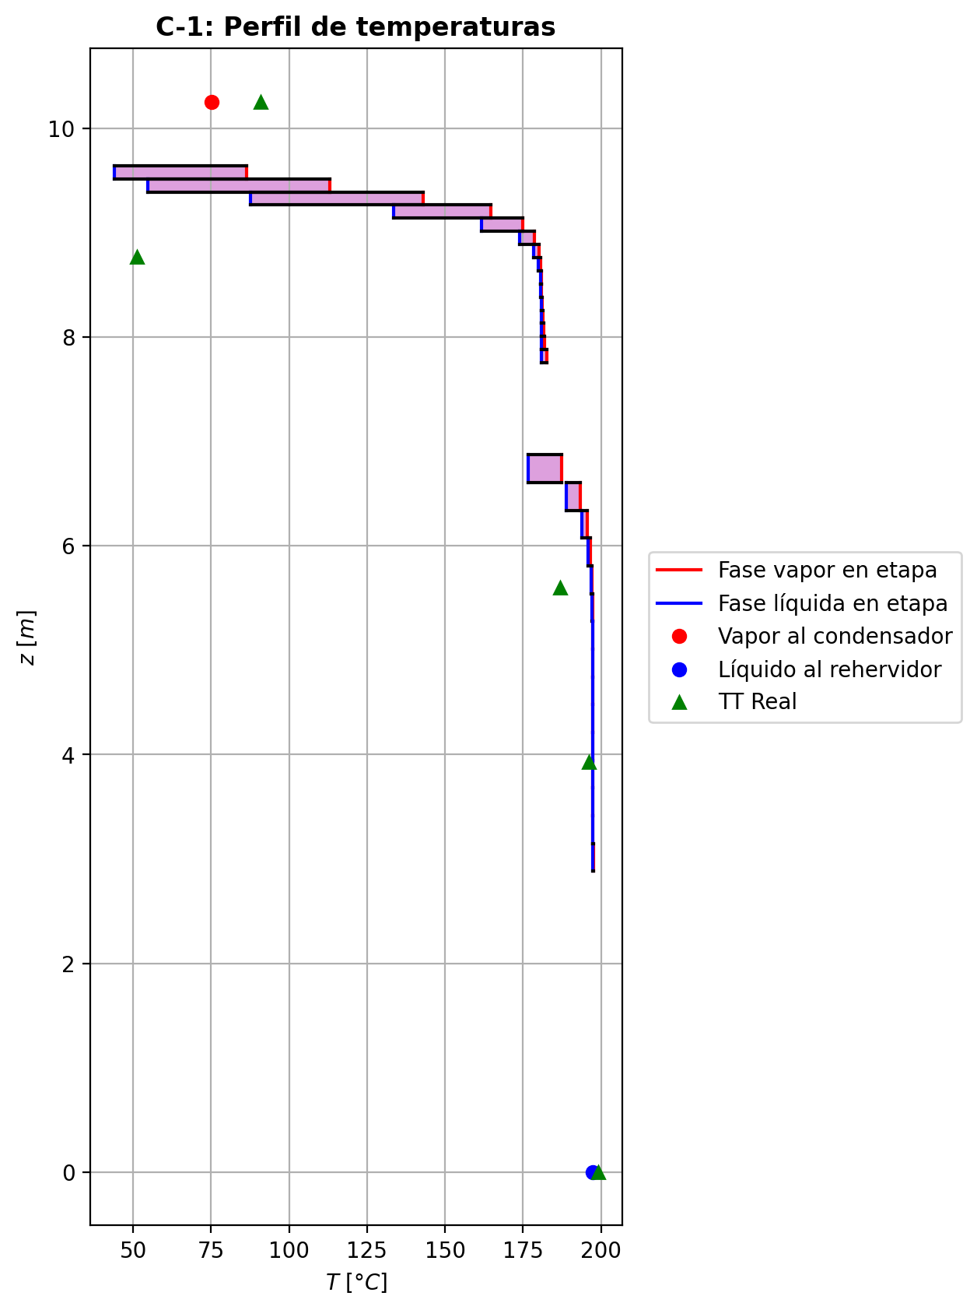
Agotamiento | 23 | 5.2746 | 5.0086 | - | - | 28.791491875 | 55.392845506 | 28.79473735 | 55.392845506 | 17.948560338 | - | - | 0.0017929434617 | 0.0012622746623 | 0.0020628732817 | 0.00032840994242 | 0.0003804677722 | 0.0003804677722 | 5.1441993599 | 0.67851780417 | -0.030552744038 | 0.037043695373 | 0.0064909513353 | -0.030560937401 | 1 | 8.1933634047E-06 | -0.030555213635 | 1.0007840684 | 2.469597794E-06 | - | - | 197.28249497 | 197.30093841 | 197.25385697 | 197.25038906 | 197.25038906 | 66.490112704 | 9863.3478138 | -7566.1115896 | 56.187077596 | -7622.2986672 | 613.9338074 | -8180.045397 | - | - | -237097.93789 | -272509.82173 | - | - | 14.704239644
Agotamiento | 24 | 5.0086 | 4.7426 | - | - | 28.797982826 | 55.39550528 | 28.799312713 | 55.39550528 | 17.949934152 | - | - | 0.00073160586283 | 0.00051498704534 | 0.00084174332419 | 0.00013397981332 | 0.00015524032325 | 0.00015524032325 | 5.1455018215 | 0.67855295654 | -0.01247557638 | 0.01513535039 | 0.0026597740108 | -0.012476946129 | 1 | 1.3697491591E-06 | -0.012475989284 | 1.0003203526 | 4.129041772E-07 | - | - | 197.31938186 | 197.32685913 | 197.30783373 | 197.3064186 | 197.3064186 | 66.51620476 | 9867.4140883 | -3092.0361618 | 22.715597808 | -3114.7517596 | 250.64581603 | -3342.6819778 | - | - | -237307.22756 | -272552.55483 | - | - | 14.704279387
Agotamiento | 25 | 4.7426 | 4.4766 | - | - | 28.8006426 | 55.396614766 | 28.801197343 | 55.396614766 | 17.950495319 | - | - | 0.00029836822786 | 0.00020996499501 | 0.00034330787411 | 5.463987797E-05 | 6.3318150475E-05 | 6.3318150475E-05 | 5.1460254477 | 0.67856788574 | -0.0050920049565 | 0.0062014906796 | 0.001109485723 | -0.0050922379097 | 1 | 2.329531643E-07 | -0.0050920752071 | 1.000130735 | 7.0250583961E-08 | - | - | 197.3343364 | 197.33724006 | 197.32992804 | 197.32934901 | 197.32934901 | 66.527031603 | 9869.0816939 | -1268.2703147 | 8.7319687733 | -1277.0022834 | 102.57842797 | -1370.8487426 | - | - | -237392.67192 | -272569.9905 | - | - | 14.704319142
Agotamiento | 26 | 4.4766 | 4.2106 | - | - | 28.801752086 | 55.397112888 | 28.802001147 | 55.397112888 | 17.950725126 | - | - | 0.00012156176217 | 8.5487327181E-05 | 0.00013989877774 | 2.2265189967E-05 | 2.5806795015E-05 | 2.5806795015E-05 | 5.1462300623 | 0.67857494221 | -0.0020779892528 | 0.0025761120949 | 0.00049812284212 | -0.002078031836 | 1 | 4.2583190381E-08 | -0.0020780021078 | 1.0000532961 | 1.2854954079E-08 | - | - | 197.34014372 | 197.34094611 | 197.33901801 | 197.33877988 | 197.33877988 | 66.531697731 | 9869.772793 | -529.60063931 | 2.3027174201 | -531.90335673 | 42.189590164 | -571.79022948 | - | - | -237427.56169 | -272577.09966 | - | - | 14.704358902
Agotamiento | 27 | 4.2106 | 3.9446 | - | - | 28.802250209 | 55.397408502 | 28.802398015 | 55.397408502 | 17.950820709 | - | - | 4.941289219E-05 | 3.4692665868E-05 | 5.6895081225E-05 | 9.0548644973E-06 | 1.0500068022E-05 | 1.0500068022E-05 | 5.1463008186 | 0.67857938129 | -0.00084794537919 | 0.0011435585175 | 0.00029561313833 | -0.0008479556348 | 1 | 1.0255607834E-08 | -0.00084794848315 | 1.0000216867 | 3.1039580607E-09 | - | - | 197.3417485 | 197.34115608 | 197.34280252 | 197.34270345 | 197.34270345 | 66.534105048 | 9870.0735476 | -240.94432919 | -1.9664108386 | -238.97791835 | 17.553288556 | -258.49761775 | - | - | -237441.84296 | -272579.99451 | - | - | 14.704398663
Agotamiento | 28 | 3.9446 | 3.6786 | - | - | 28.802545822 | 55.397728277 | 28.80270571 | 55.397728277 | 17.950863842 | - | - | 1.9972439546E-05 | 1.3965922796E-05 | 2.3025440931E-05 | 3.6644878431E-06 | 4.2542025139E-06 | 4.2542025139E-06 | 5.1463083919 | 0.67858406388 | -0.00034600340263 | 0.00066577932739 | 0.00031977592476 | -0.00034600786859 | 1 | 4.4659658771E-09 | -0.00034600476302 | 1.0000087869 | 1.360391543E-09 | - | - | 197.34056366 | 197.33817685 | 197.34442233 | 197.34437999 | 197.34437999 | 66.536188872 | 9870.234011 | -152.26330668 | -7.4594827968 | -144.80382389 | 7.5014692791 | -159.76477596 | - | - | -237447.77137 | -272581.16963 | - | - | 14.704438425
Agotamiento | 29 | 3.6786 | 3.4126 | - | - | 28.802865598 | 55.398301321 | 28.80315212 | 55.398301321 | 17.950890869 | - | - | 7.9594060455E-06 | 5.5084938958E-06 | 9.2051233324E-06 | 1.4649891271E-06 | 1.7056176507E-06 | 1.7056176507E-06 | 5.1462706419 | 0.67859182796 | -0.00014118483435 | 0.00071422851852 | 0.00057304368417 | -0.00014118799096 | 1 | 3.1566076363E-09 | -0.00014118581174 | 1.0000035229 | 9.7739342236E-10 | - | - | 197.33579004 | 197.32987852 | 197.34515886 | 197.34513967 | 197.34513967 | 66.539507806 | 9870.3805912 | -182.42522614 | -18.251511422 | -164.17371472 | 3.4000445515 | -185.8252707 | - | - | -237450.42157 | -272581.643 | - | - | 14.704478187
Agotamiento | 30 | 3.4126 | 3.1466 | - | - | 28.803438641 | 55.399532532 | 28.804054247 | 55.399532532 | 17.950923396 | - | - | 3.0575817461E-06 | 2.0575138584E-06 | 3.5658544204E-06 | 5.6750333109E-07 | 6.6568854873E-07 | 6.6568854873E-07 | 5.1461698751 | 0.67860764575 | -5.7609486141E-05 | 0.001288820575 | 0.0012312110889 | -5.7612019375E-05 | 1 | 2.5332338781E-09 | -5.7610305744E-05 | 1.000001375 | 8.1960312295E-10 | - | - | 197.32396699 | 197.31025485 | 197.34553499 | 197.34552525 | 197.34552525 | 66.546450984 | 9870.6203593 | -345.96724782 | -42.14461545 | -303.82263237 | 1.7265135097 | -347.69376133 | - | - | -237452.03095 | -272581.83004 | - | - | 14.704517949
Agotamiento | 31 | 3.1466 | 2.8806 | 28.798845565 | - | 28.804669853 | 55.393708244 | 28.801757709 | 55.393708244 | 17.950926125 | 2.4137941281E-07 | - | 1.0574459708E-06 | 6.4941269178E-07 | 1.2649311354E-06 | 2.0131305177E-07 | 2.4137941281E-07 | 2.4137941281E-07 | 5.1483712142 | 0.67853703484 | -2.3507933643E-05 | -0.0058007798643 | -0.005824287798 | -2.3504151276E-05 | 1 | -3.7823664166E-09 | -2.3506527779E-05 | 1.0000004986 | -1.4058631687E-09 | 197.73924623 | - | 197.2965427 | 197.51789447 | 197.34576406 | 197.34575817 | 197.34575817 | 66.491835777 | 9869.5932113 | 1583.7068287 | 205.45314372 | 1378.253685 | 1.043613987 | 1582.6632148 | -237446.92296 | - | -237453.89224 | -272581.90023 | 14.827457779 | - | 14.704557709

